EDA 0 - Features
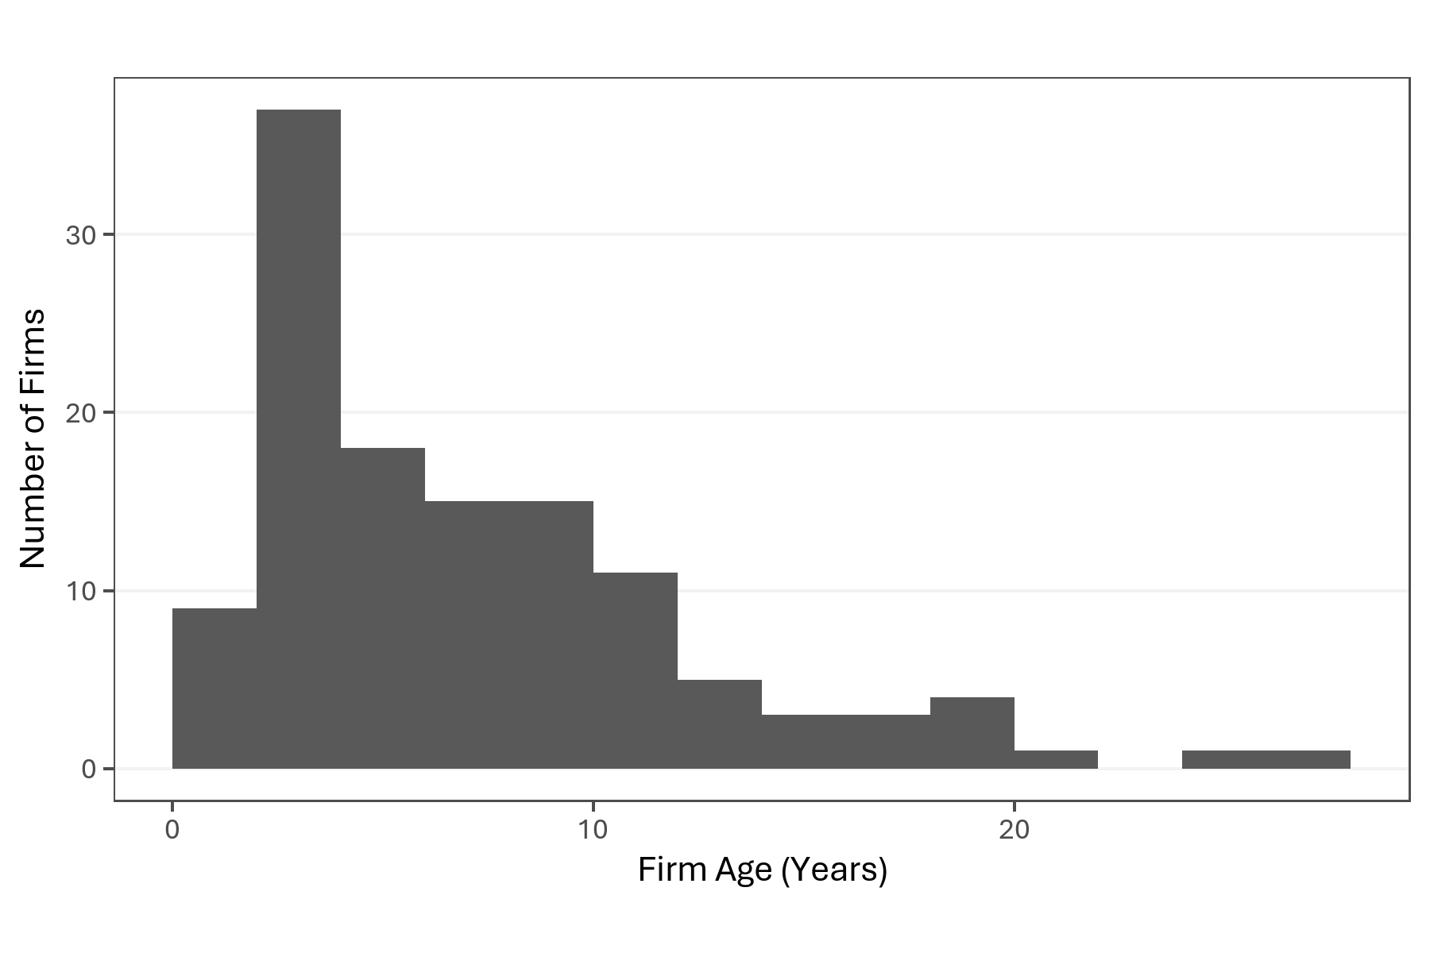
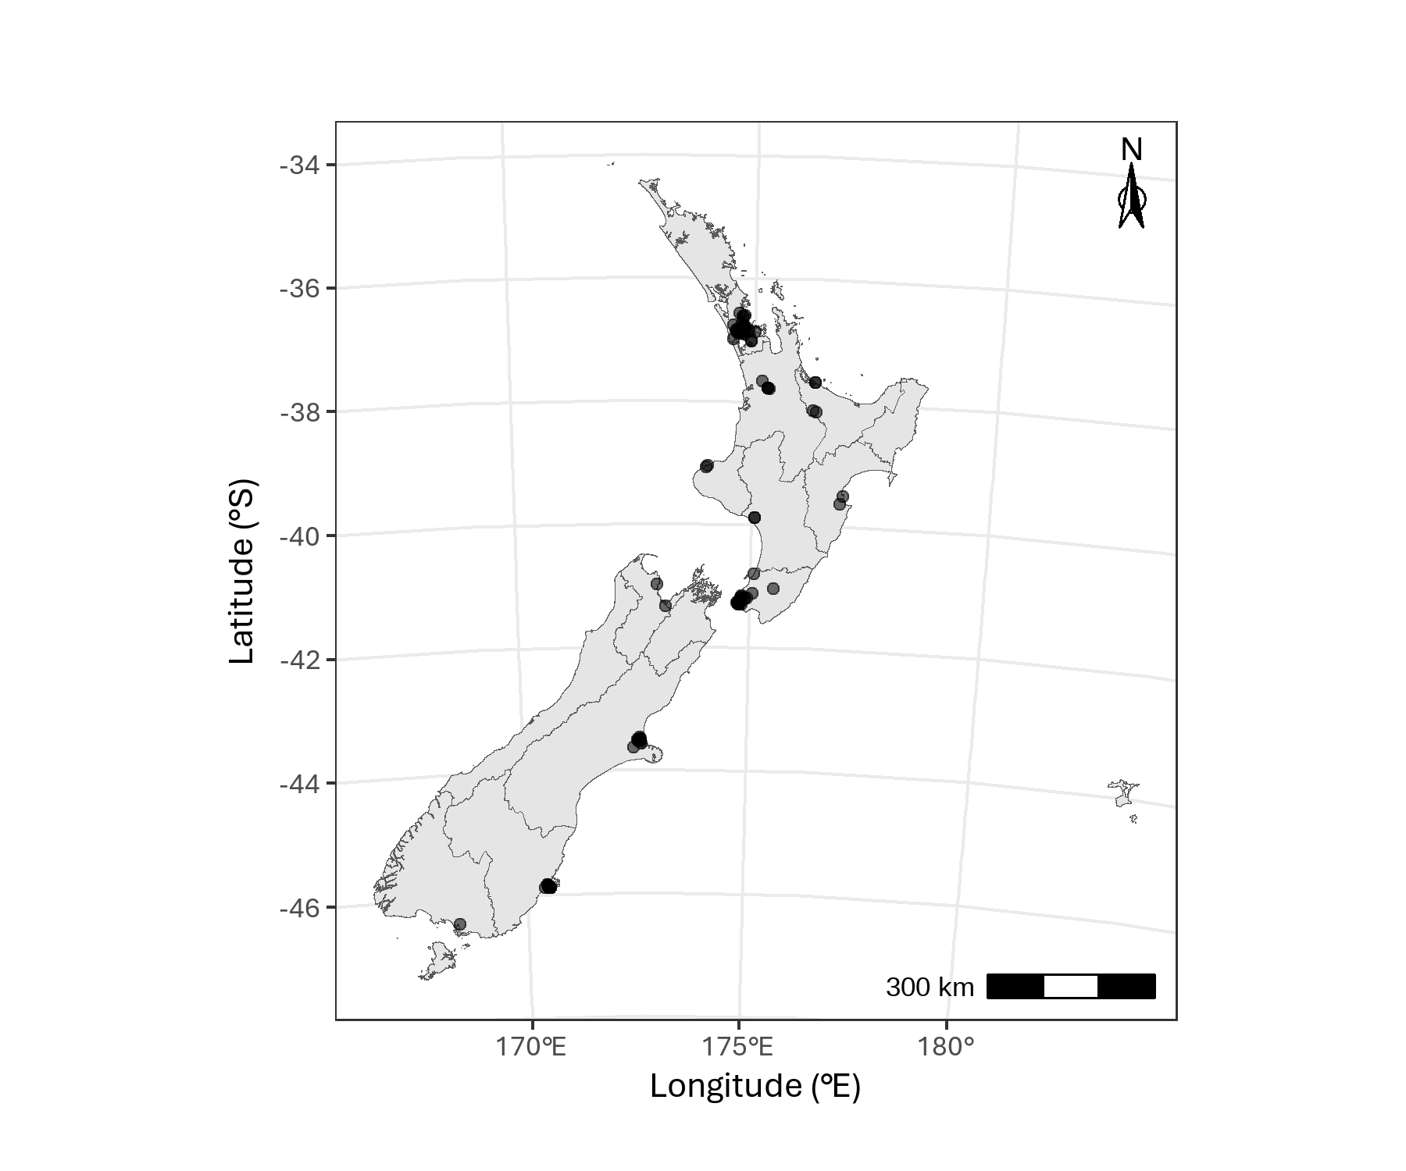

Firm age in years since their first registration (as at 12/2024).

Māori Buisness according to the Companies Office
Māori | Freq
0 | 122
1 | 1 | Map of game developers registered addresses.
 |  | Note: 4 out of 123 organisations excluded as without a recorded physical office.
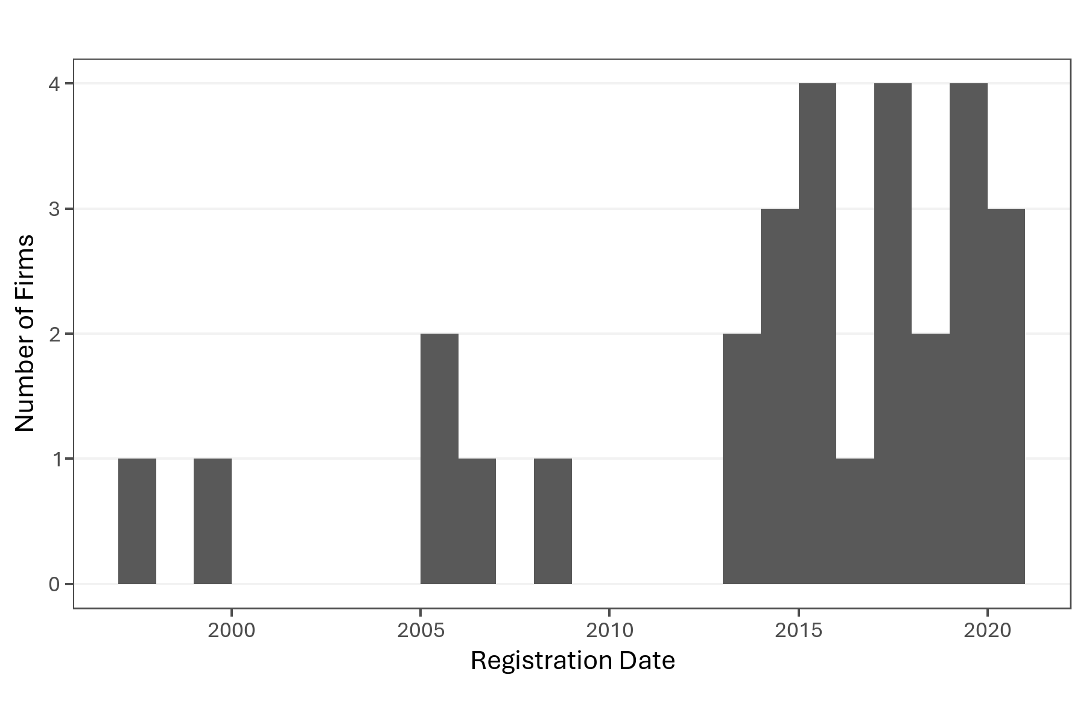
NZGDA Member Studio
NZGDA | Freq
0 | 66
1 | 57

GSDR Recipient (1 = Pilot, 2 = Second phase)
GDSR | Freq
0 | 94
1 | 8
2 | 21

GST Number registered with the Companies Office
GST_Registered | Freq
0 | 99
1 | 24

Entity Type
ENTITY_TYPE | Freq
Limited Partnership (NZ) | 1
LTD | 119
Sole_Trader | 3 | Year of registration for firms receiving GDSR support

Australian Business Number registered with the Companies Office
Has_ABN | Freq
0 | 122
1 | 1

EDA 1 - LBD Firms and finances
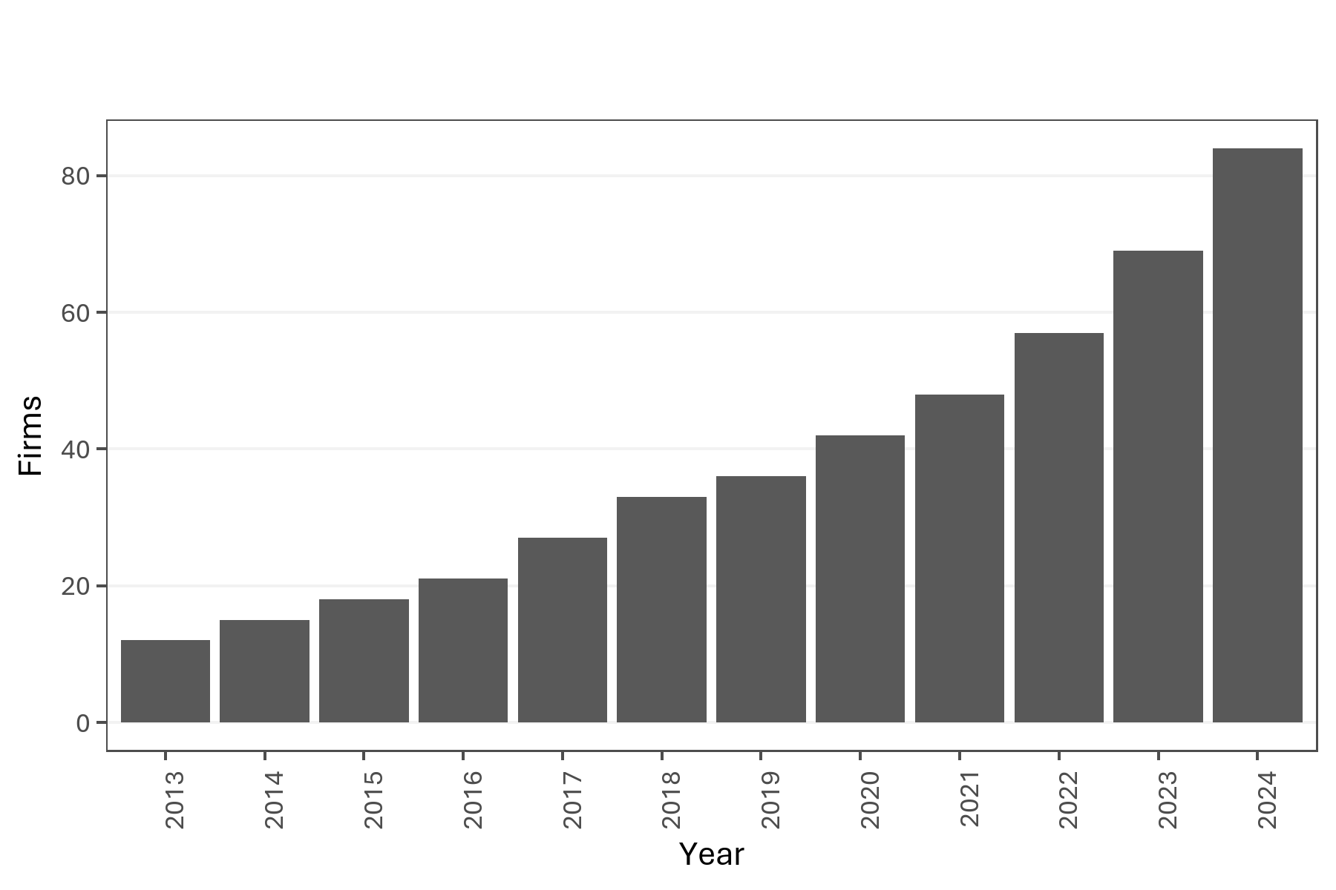
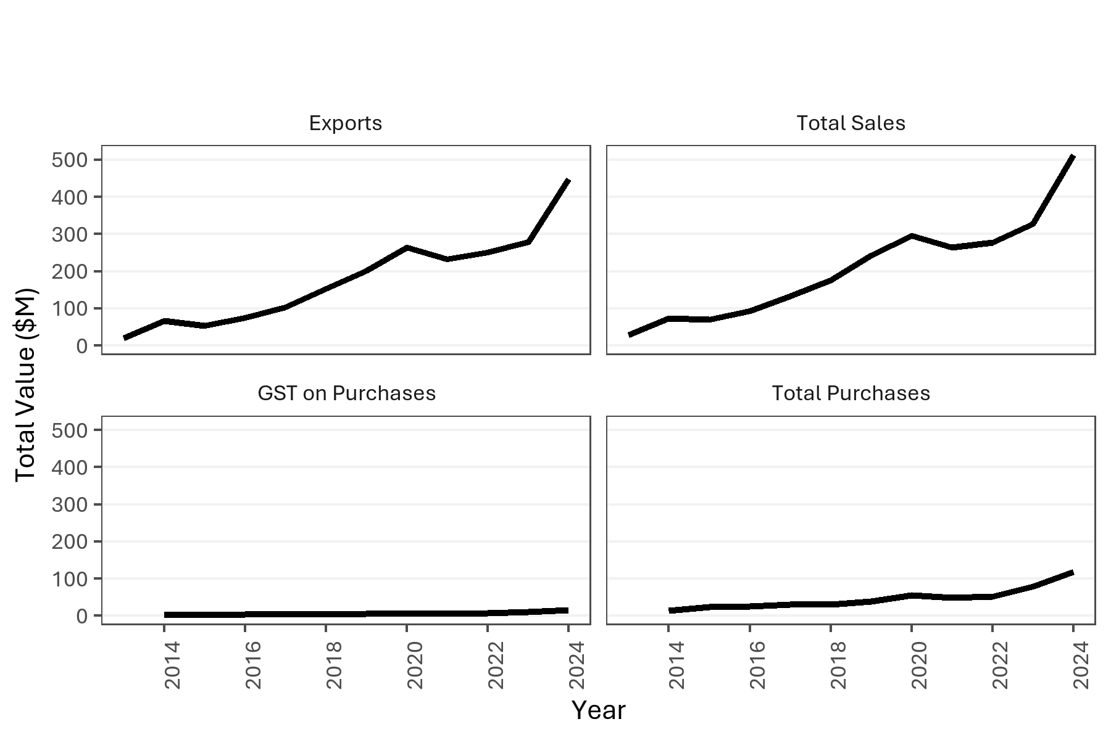
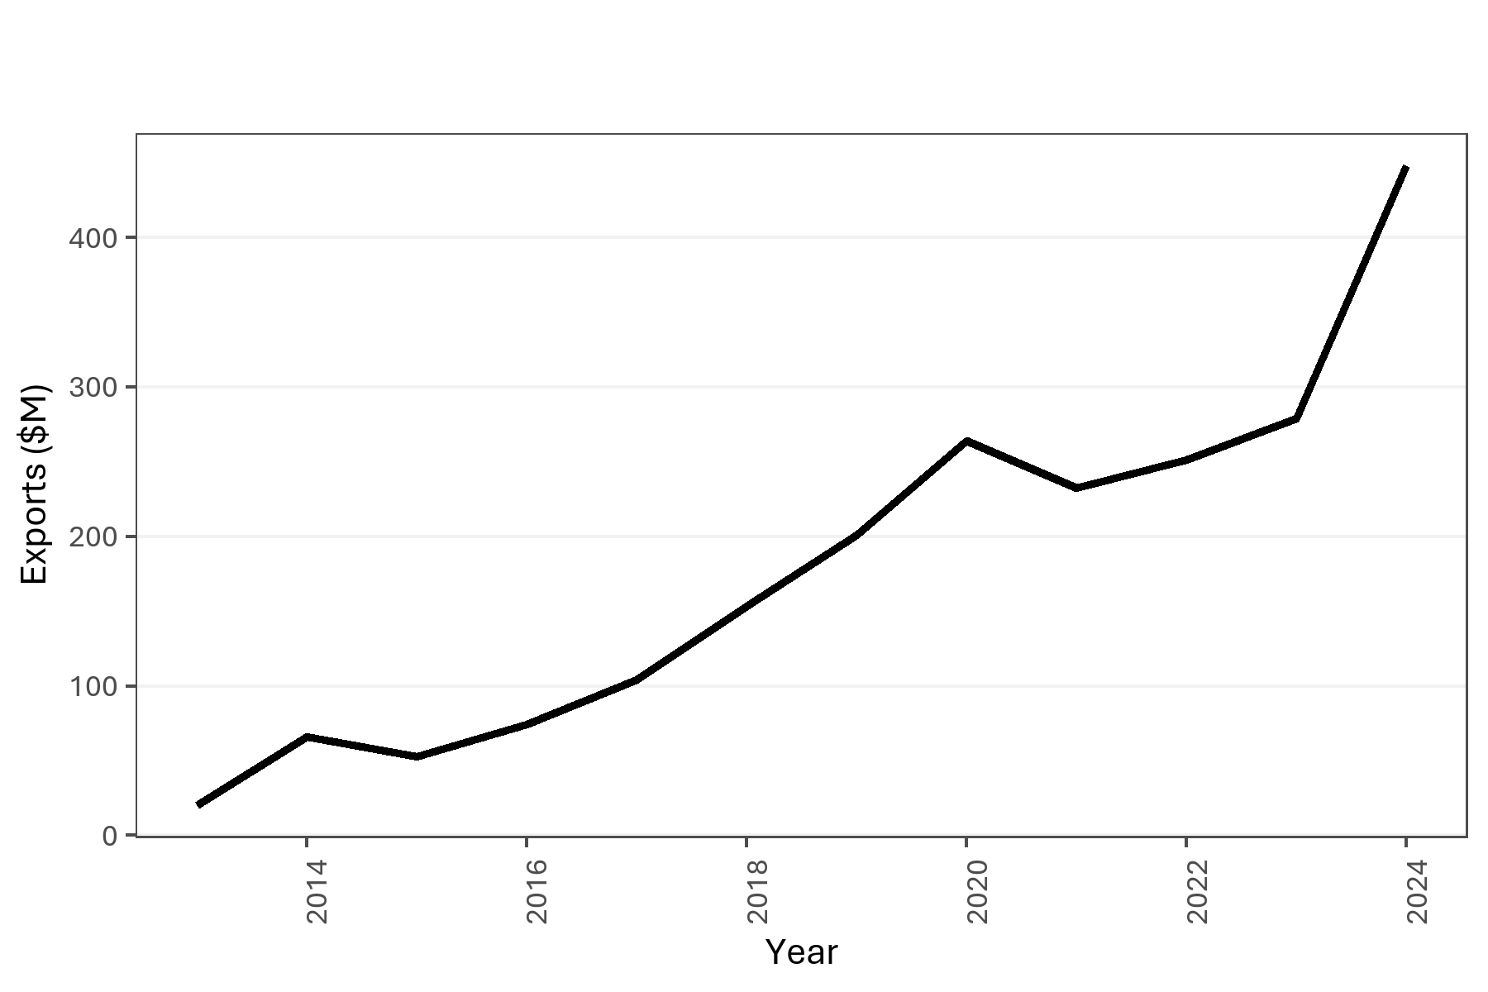

Firms known to the NZGDA that were identifiable in the LBD (2013-2024). |  |  |  |  |  |  |  |  | Firms known to the NZGDA that were identifiable in the LBD (2013-2024). |  | Exports as inferred from GST-zero rated sales. NB is asafe assumption given the nature of the firms.

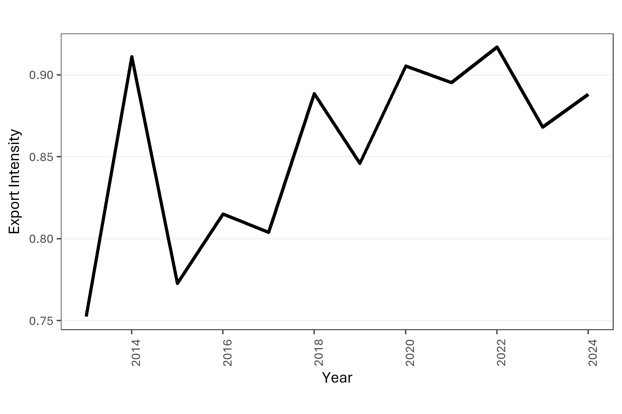
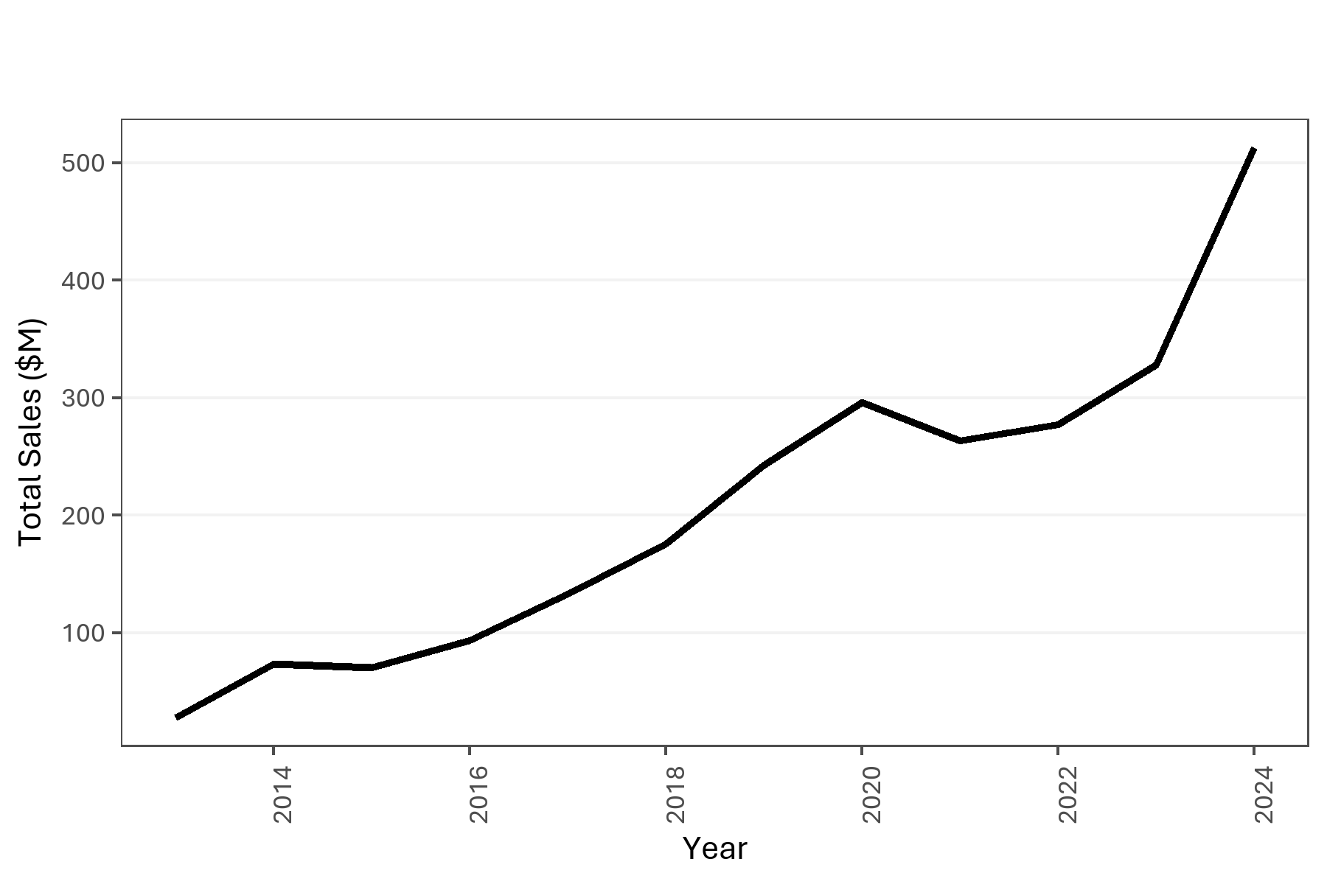
Year | Firms (RR3) | Total Sales | Exports | Total Purchases | GST on Purchases | Export Intensity (%) | GST_inclusive_sales | GST on Sales | Total Sales (ex GST) | Export Intensity (ex GST)
2013 | 12 | 27717839 | 20111108 |  |  | 0.72556551036 | 7606731 | 992182.30435 | 26725656.696 | 0.75250192087
2014 | 15 | 73460575.88 | 66044783.16 | 13323630.03 | 1737851.31 | 0.89905071351 | 7415792.72 | 967277.3113 | 72493298.569 | 0.91104673762
2015 | 18 | 70556762.36 | 52731479.78 | 23591173.81 | 3077109.63 | 0.74736252084 | 17825282.58 | 2325036.8583 | 68231725.502 | 0.77282934577
2016 | 21 | 93658263.08 | 74281834.97 | 25580216.76 | 3336550.03 | 0.79311565822 | 19376428.11 | 2527360.1883 | 91130902.892 | 0.81511136851
2017 | 27 | 133065337.08 | 103917601.11 | 31117176.4 | 4055041.01 | 0.7809516993 | 29147735.97 | 3801878.6048 | 129263458.48 | 0.8039209405
2018 | 33 | 175847095.38 | 153680898.84 | 30295105.76 | 3854984.66 | 0.87394618892 | 22166196.54 | 2891243.027 | 172955852.35 | 0.8885556444
2019 | 36 | 242882631.84 | 200858090.77 | 38618522.46 | 5025272.81 | 0.82697593174 | 42024541.07 | 5481461.8787 | 237401169.96 | 0.8460703492
2020 | 42 | 295937772.16 | 264184636.78 | 55270749.01 | 7133262.98 | 0.8927033371 | 31753135.38 | 4141713.3104 | 291796058.85 | 0.90537424605
2021 | 48 | 263802359.6 | 232522371.27 | 49541684.39 | 6317820.79 | 0.88142642705 | 31279988.33 | 4079998.4778 | 259722361.12 | 0.89527282235
2022 | 57 | 277264215.27 | 251136447.21 | 51378862.18 | 6575407.14 | 0.90576581246 | 26127768.06 | 3407969.747 | 273856245.52 | 0.91703750167
2023 | 69 | 327827089.86 | 279095758.22 | 77922868.88 | 10111446.82 | 0.85135050413 | 48731331.64 | 6356260.6487 | 321470829.21 | 0.86818377551
2024 | 84 | 513168644 | 448239530.7 | 117738698.11 | 15135885.34 | 0.87347412189 | 64929113.3 | 8469014.7783 | 504699629.22 | 0.88813128591

 |  |  |  |  |  |  |  |  | Export intensity expresses the share of exports to total GST-exclusive sales. |  | Total Sales ($M) in nominal dollars.

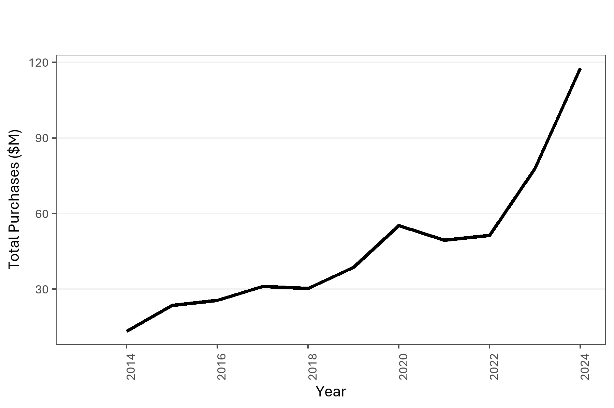

 |  |  |  |  |  |  |  |  |  |  | Total Purchases ($M) in nominal dollars.

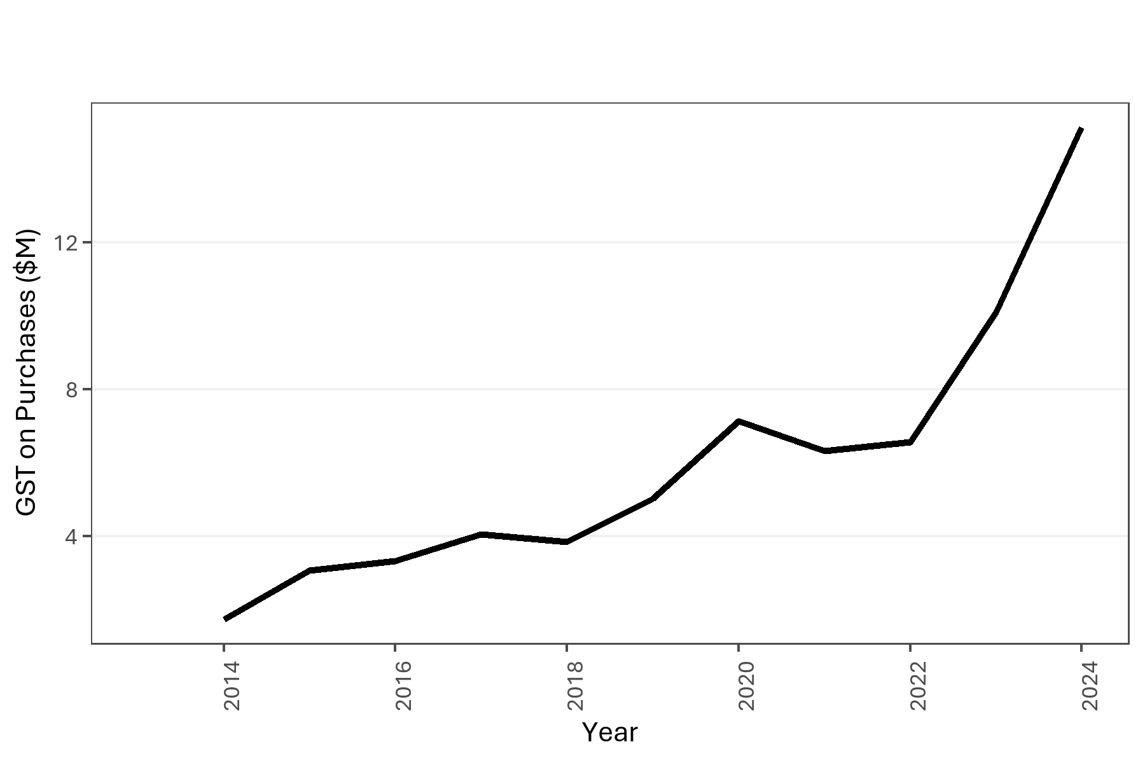

 |  |  |  |  |  |  |  |  |  |  | GST paid on Purchases ($M) in nominal dollars.

EDA 2 - LBD Firm Size
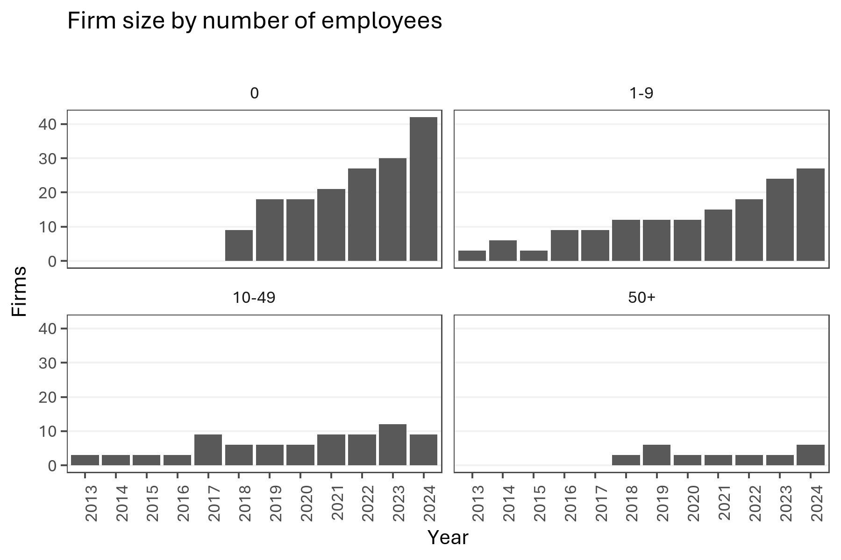
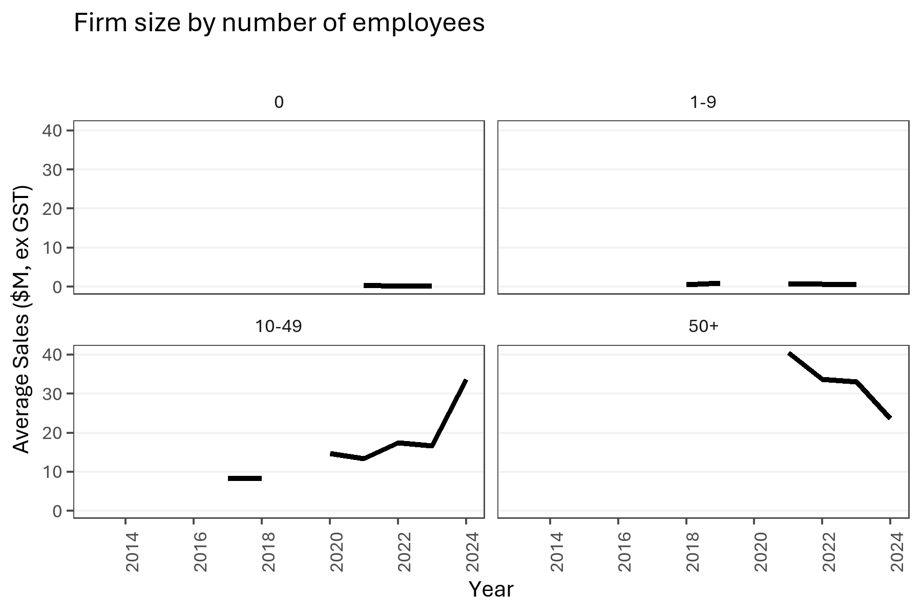

Number of active firms grouped by their employee count. |  |  |  |  |  |  |  |  | Average sales by firm size as measured by employee count.

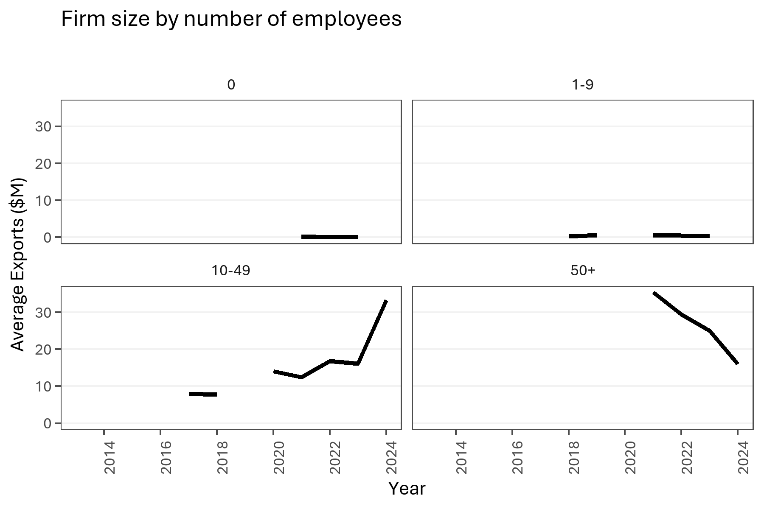
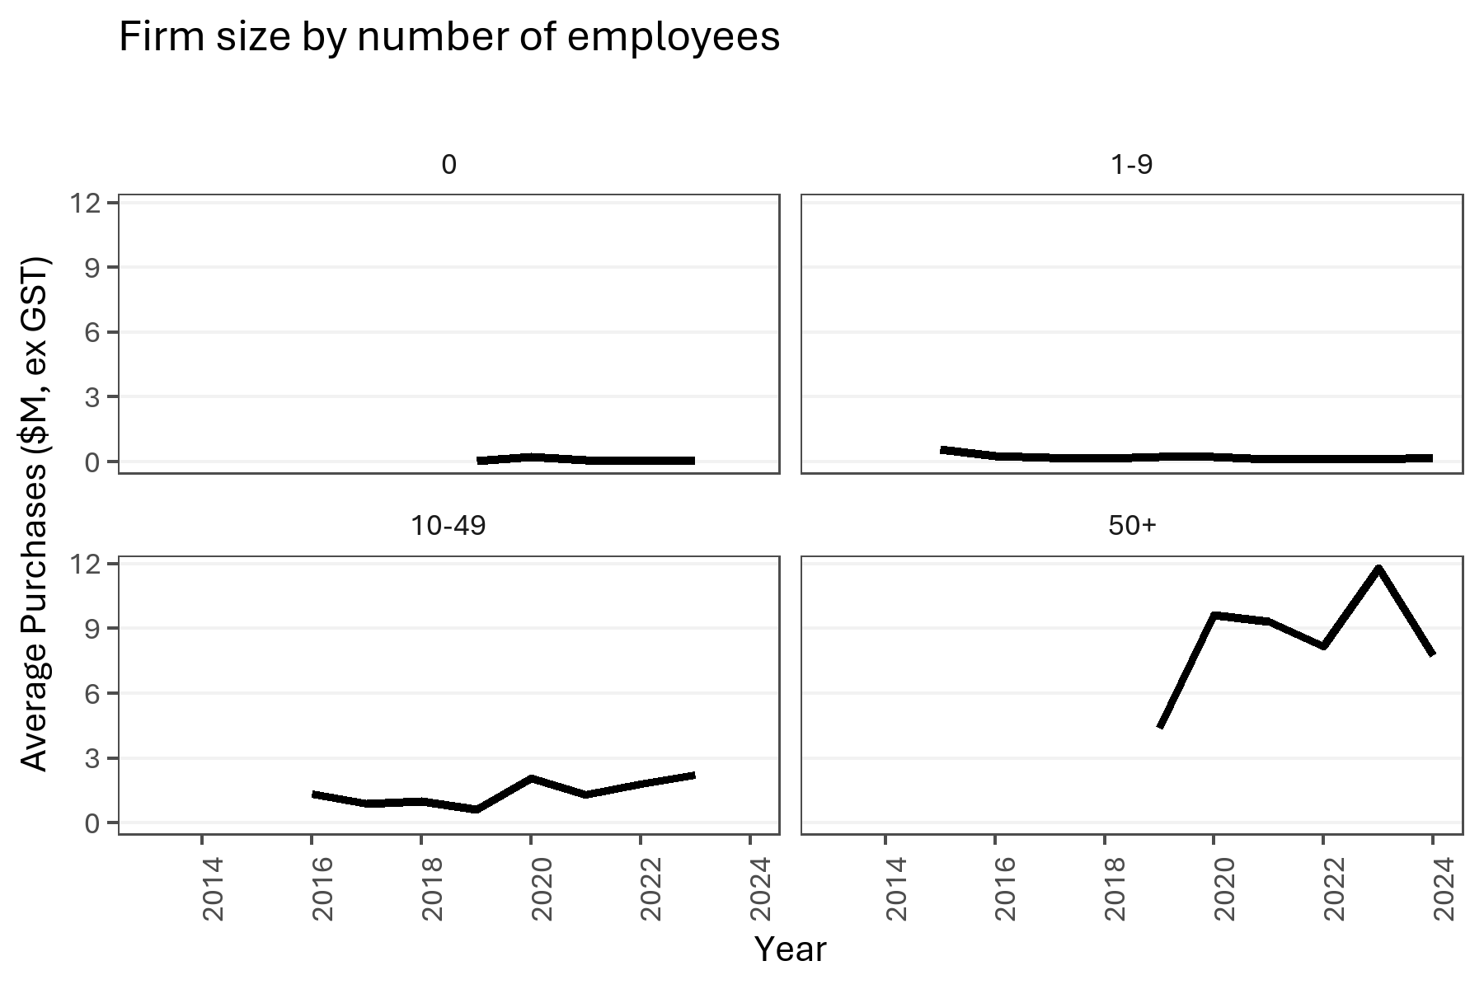

Average exports by firm size as measured by employee count. |  |  |  |  |  |  |  |  | Average purchases by firm size as measured by employee count.

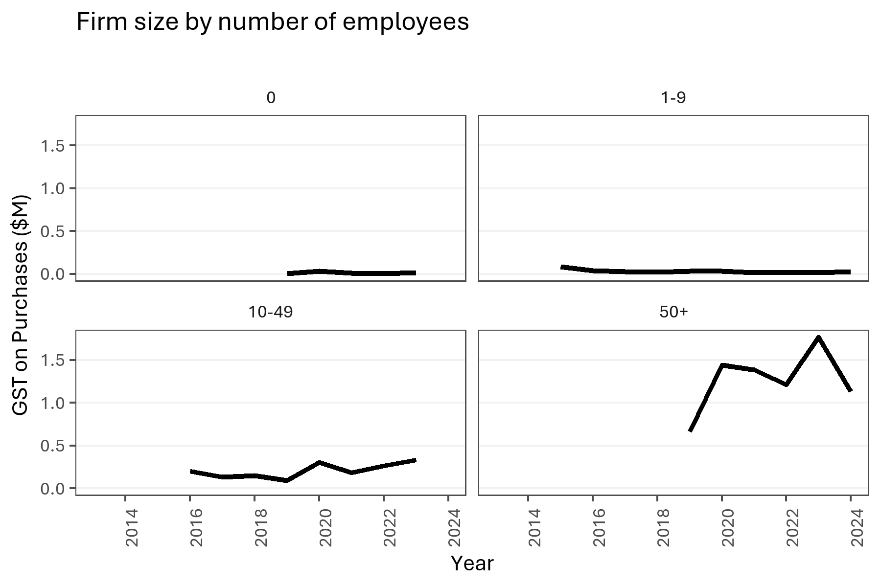
Year | firm_size | Firms (RR3) | Total Sales | Exports | Total Purchases | GST on Purchases | Export Intensity (%) | GST_inclusive_sales | GST on Sales | Total Sales (ex GST) | Export Intensity (ex GST)
2013 | 0
2013 | 1-9 | 3 | 1900404 |  | 492896 | 64283
2013 | 10-49 | 3
2013 | 50+
2014 | 0
2014 | 1-9 | 6
2014 | 10-49 | 3
2014 | 50+
2015 | 0
2015 | 1-9 | 3 | 3048976.35 |  | 1967036.1 | 256569.93
2015 | 10-49 | 3 | 59836533.15 | 44367883.29 |  |  | 0.74148485807 | 15468649.86 | 2017649.9817 | 57818883.168 | 0.76735974233
2015 | 50+
2016 | 0
2016 | 1-9 | 9 | 4946169.03 | 2958979.91 | 2785749.47 | 363358.64 | 0.59823671453 | 1987189.12 | 259198.58087 | 4686970.4491 | 0.63132036827
2016 | 10-49 | 3 |  |  | 4675651.82 | 609867.63
2016 | 50+
2017 | 0
2017 | 1-9 | 9 | 4881928.46 |  | 1864597.29 | 241476.32
2017 | 10-49 | 9 | 74497227.54 | 71921963.09 | 9231429.3 | 1202693.84 | 0.9654314055 | 2575264.45 | 335904.0587 | 74161323.481 | 0.96980420135
2017 | 50+ |  |  |  |  |  |  |  |  |  |  | Average GST paid on purchases by firm size as measured by employee count.
2018 | 0 | 9
2018 | 1-9 | 12 | 7111361.29 | 3573214.72 | 2290739.56 | 287653.28 | 0.50246564255 | 3538146.57 | 461497.3787 | 6649863.9113 | 0.53733651811
2018 | 10-49 | 6 | 50029162.72 | 46194192.5 | 6936941.73 | 904818.48 | 0.92334530479 | 3834970.22 | 500213.50696 | 49528949.213 | 0.93267055397
2018 | 50+ | 3
2019 | 0 | 18 |  | 447152.92 | 743631.08 | 95426.7
2019 | 1-9 | 12 | 11890145.45 | 6716401.5 | 3055953.62 | 390748.94 | 0.56487126488 | 5173743.95 | 674836.16739 | 11215309.283 | 0.59886012332
2019 | 10-49 | 6 | 57194834.68 |  | 4359299.14 | 568579.69
2019 | 50+ | 6 |  |  | 30459638.62 | 3970517.48
2020 | 0 | 18 |  |  | 4606084.7 | 600179.64
2020 | 1-9 | 12 | 16892333.06 |  | 3360346.78 | 391436.33
2020 | 10-49 | 6 | 88837940.57 | 84390458.72 | 14135804.27 | 1816877.42 | 0.94993713473 | 4447481.85 | 580106.32826 | 88257834.242 | 0.95618093787
2020 | 50+ | 3 |  |  | 33168513.26 | 4324769.59
2021 | 0 | 21 | 8396826.81 | 6666075.29 | 1944495.83 | 249277.9 | 0.79388028845 | 1730751.52 | 225750.19826 | 8171076.6117 | 0.81581358329
2021 | 1-9 | 15 | 10152544.4 | 7312521.49 | 2069847.31 | 266582.01 | 0.72026491113 | 2840022.91 | 370437.77087 | 9782106.6291 | 0.7475405623
2021 | 10-49 | 9 | 121479351.98 | 112353217.1 | 13436530.52 | 1643878.41 | 0.92487501183 | 9126134.88 | 1190365.4191 | 120288986.56 | 0.93402746429
2021 | 50+ | 3 | 123773636.41 | 106190557.39 | 32090810.73 | 4158082.47 | 0.8579416463 | 17583079.02 | 2293445.0896 | 121480191.32 | 0.87413887183
2022 | 0 | 27 | 3378126.96 | 2107809.46 | 1075017.03 | 127802.45 | 0.62395803502 | 1270317.5 | 165693.58696 | 3212433.373 | 0.65614106667
2022 | 1-9 | 18 | 13101233.8 | 8897549.7 | 3345059.26 | 433229.22 | 0.67913830375 | 4203684.1 | 548306.62174 | 12552927.178 | 0.70880278151
2022 | 10-49 | 9 | 157630775.82 | 151738856.56 | 18775771.7 | 2376096.37 | 0.96262202461 | 5891919.26 | 768511.20783 | 156862264.61 | 0.96733817362
2022 | 50+ | 3 | 103154078.7 | 88392231.5 | 28183014.2 | 3638279.1 | 0.85689516705 | 14761847.2 | 1925458.3304 | 101228620.37 | 0.87319407473
2023 | 0 | 30 | 9287098.3 | 2212316.2 | 3284174.6 | 424140.7 | 0.23821393169 | 7074782.1 | 922797.66522 | 8364300.6348 | 0.26449506021
2023 | 1-9 | 24 | 14925626.68 | 8826357.38 | 3405508.98 | 436627.49 | 0.59135589877 | 6099269.3 | 795556.86522 | 14130069.815 | 0.62465065606
2023 | 10-49 | 12 | 200831994.98 | 193038049.04 | 30535378.7 | 3953515.53 | 0.9611917118 | 7793945.94 | 1016601.6443 | 199815393.34 | 0.96608197105
2023 | 50+ | 3 | 102782369.9 | 75019035.6 | 40697806.6 | 5297163.1 | 0.72988232975 | 27763334.3 | 3621304.4739 | 99161065.426 | 0.7565372082
2024 | 0 | 42 | 22571741.76
2024 | 1-9 | 27 | 38703126.99 |  | 5497285.62 | 694142.84
2024 | 10-49 | 9 | 303599755.35 | 300255148.15 |  |  | 0.98898349837 | 3344607.2 | 436253.11304 | 303163502.24 | 0.99040664834
2024 | 50+ | 6 | 148294019.9 | 96353195.5 | 53413905.3 | 6803284.8 | 0.64974430908 | 51940824.4 | 6774890.1391 | 141519129.76 | 0.68084926513

EDA 3 - Employees All
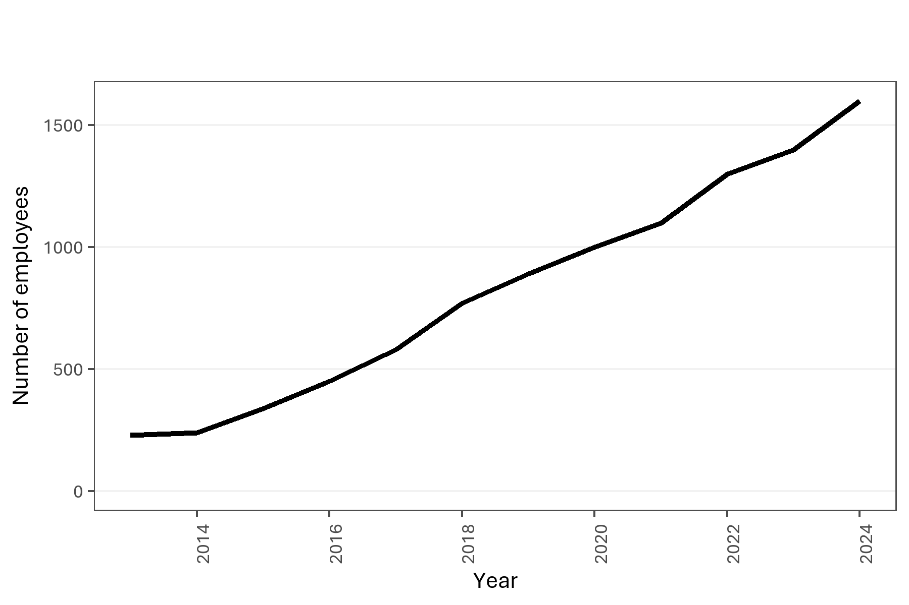
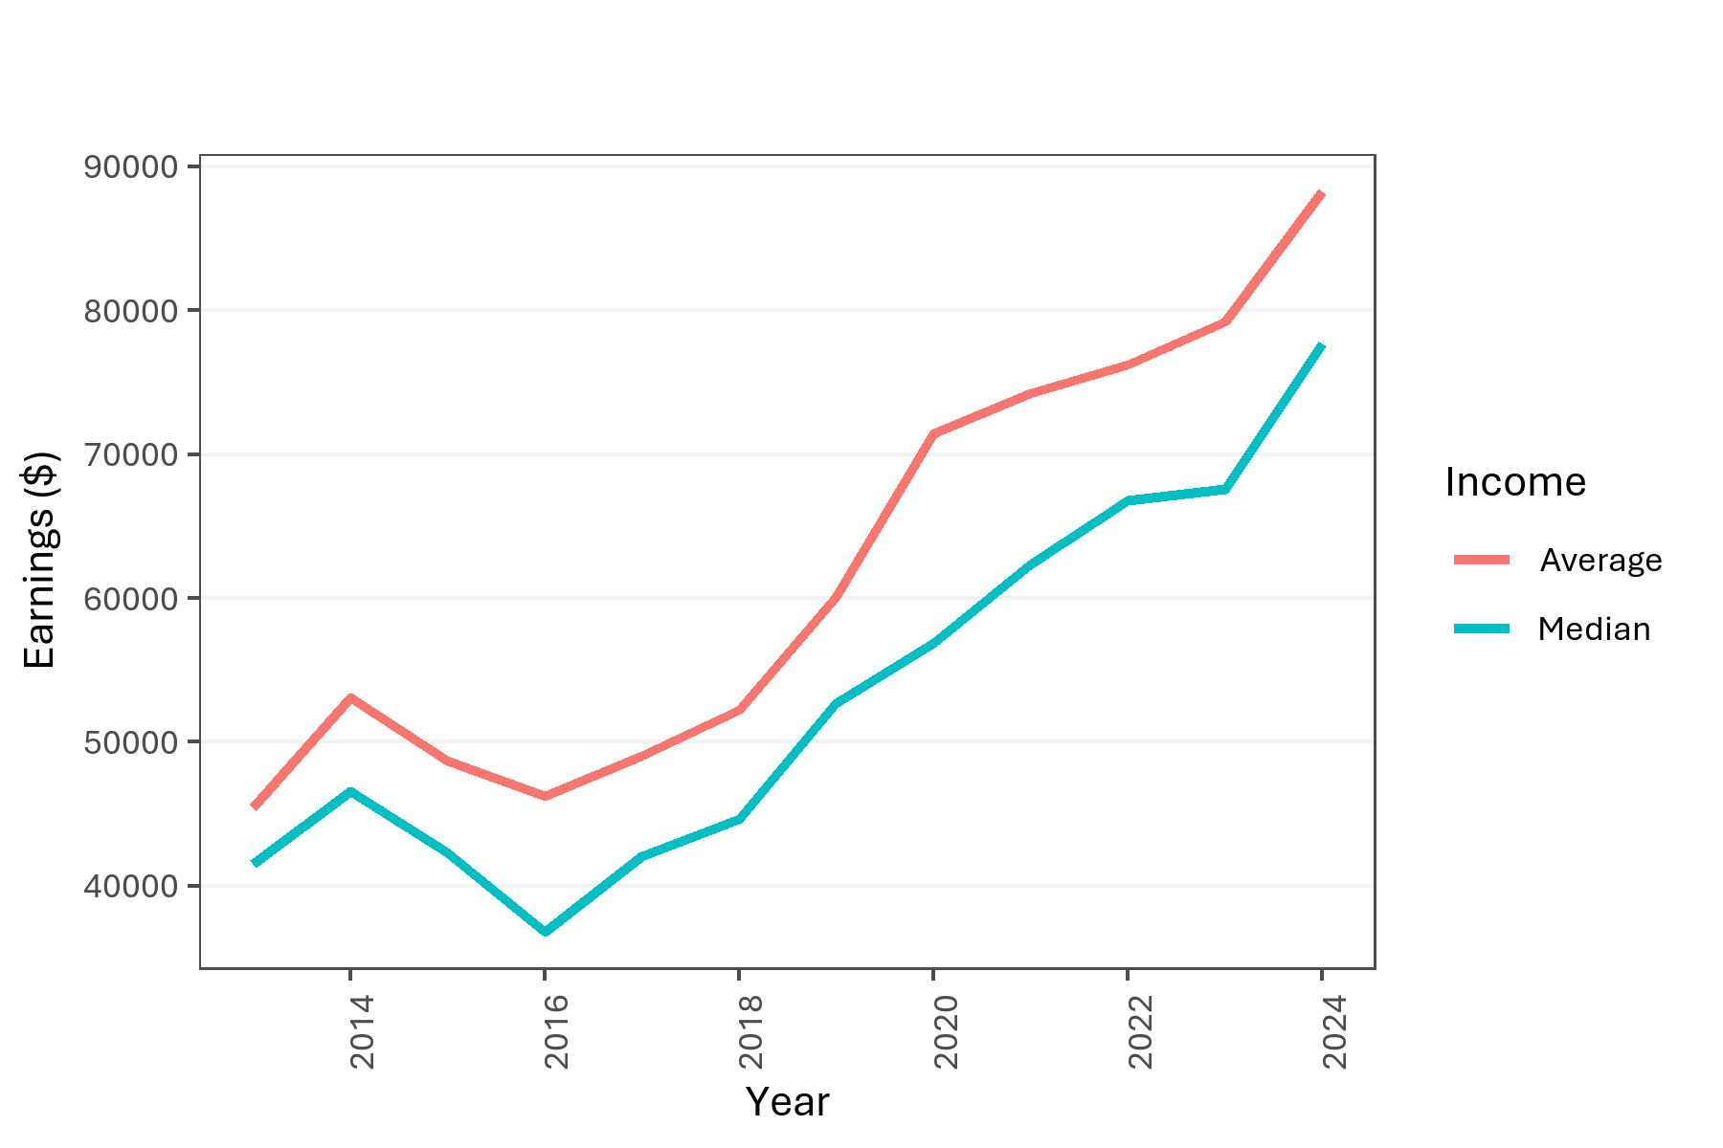

Count of individuals employed by Game Developer firms (2013-2024) |  |  |  |  |  |  | Employee salary and wages.

year | character | group | individuals | total_earnings | median_earnings | Average
2013 | All employees | All employees | 230 | 10448459.38 | 41534.12 | 45428.084261
2014 | All employees | All employees | 240 | 12747654.26 | 46545 | 53115.226083
2015 | All employees | All employees | 340 | 16547236.01 | 42327.5 | 48668.341206
2016 | All employees | All employees | 450 | 20820199.12 | 36792 | 46267.109156
2017 | All employees | All employees | 580 | 28428371.3 | 42022.5 | 49014.433276
2018 | All employees | All employees | 770 | 40183439.67 | 44614 | 52186.285286
2019 | All employees | All employees | 890 | 53441421.21 | 52664.68 | 60046.540685
2020 | All employees | All employees | 1000 | 71439516.94 | 56884.6 | 71439.51694
2021 | All employees | All employees | 1100 | 81621945.72 | 62307.89 | 74201.768836
2022 | All employees | All employees | 1300 | 99066746.27 | 66783.74 | 76205.189438
2023 | All employees | All employees | 1400 | 110923736.01 | 67584.23 | 79231.240007
2024 | All employees | All employees | 1600 | 141213735.47 | 77699.775 | 88258.584669

EDA 4 - Employees Gender
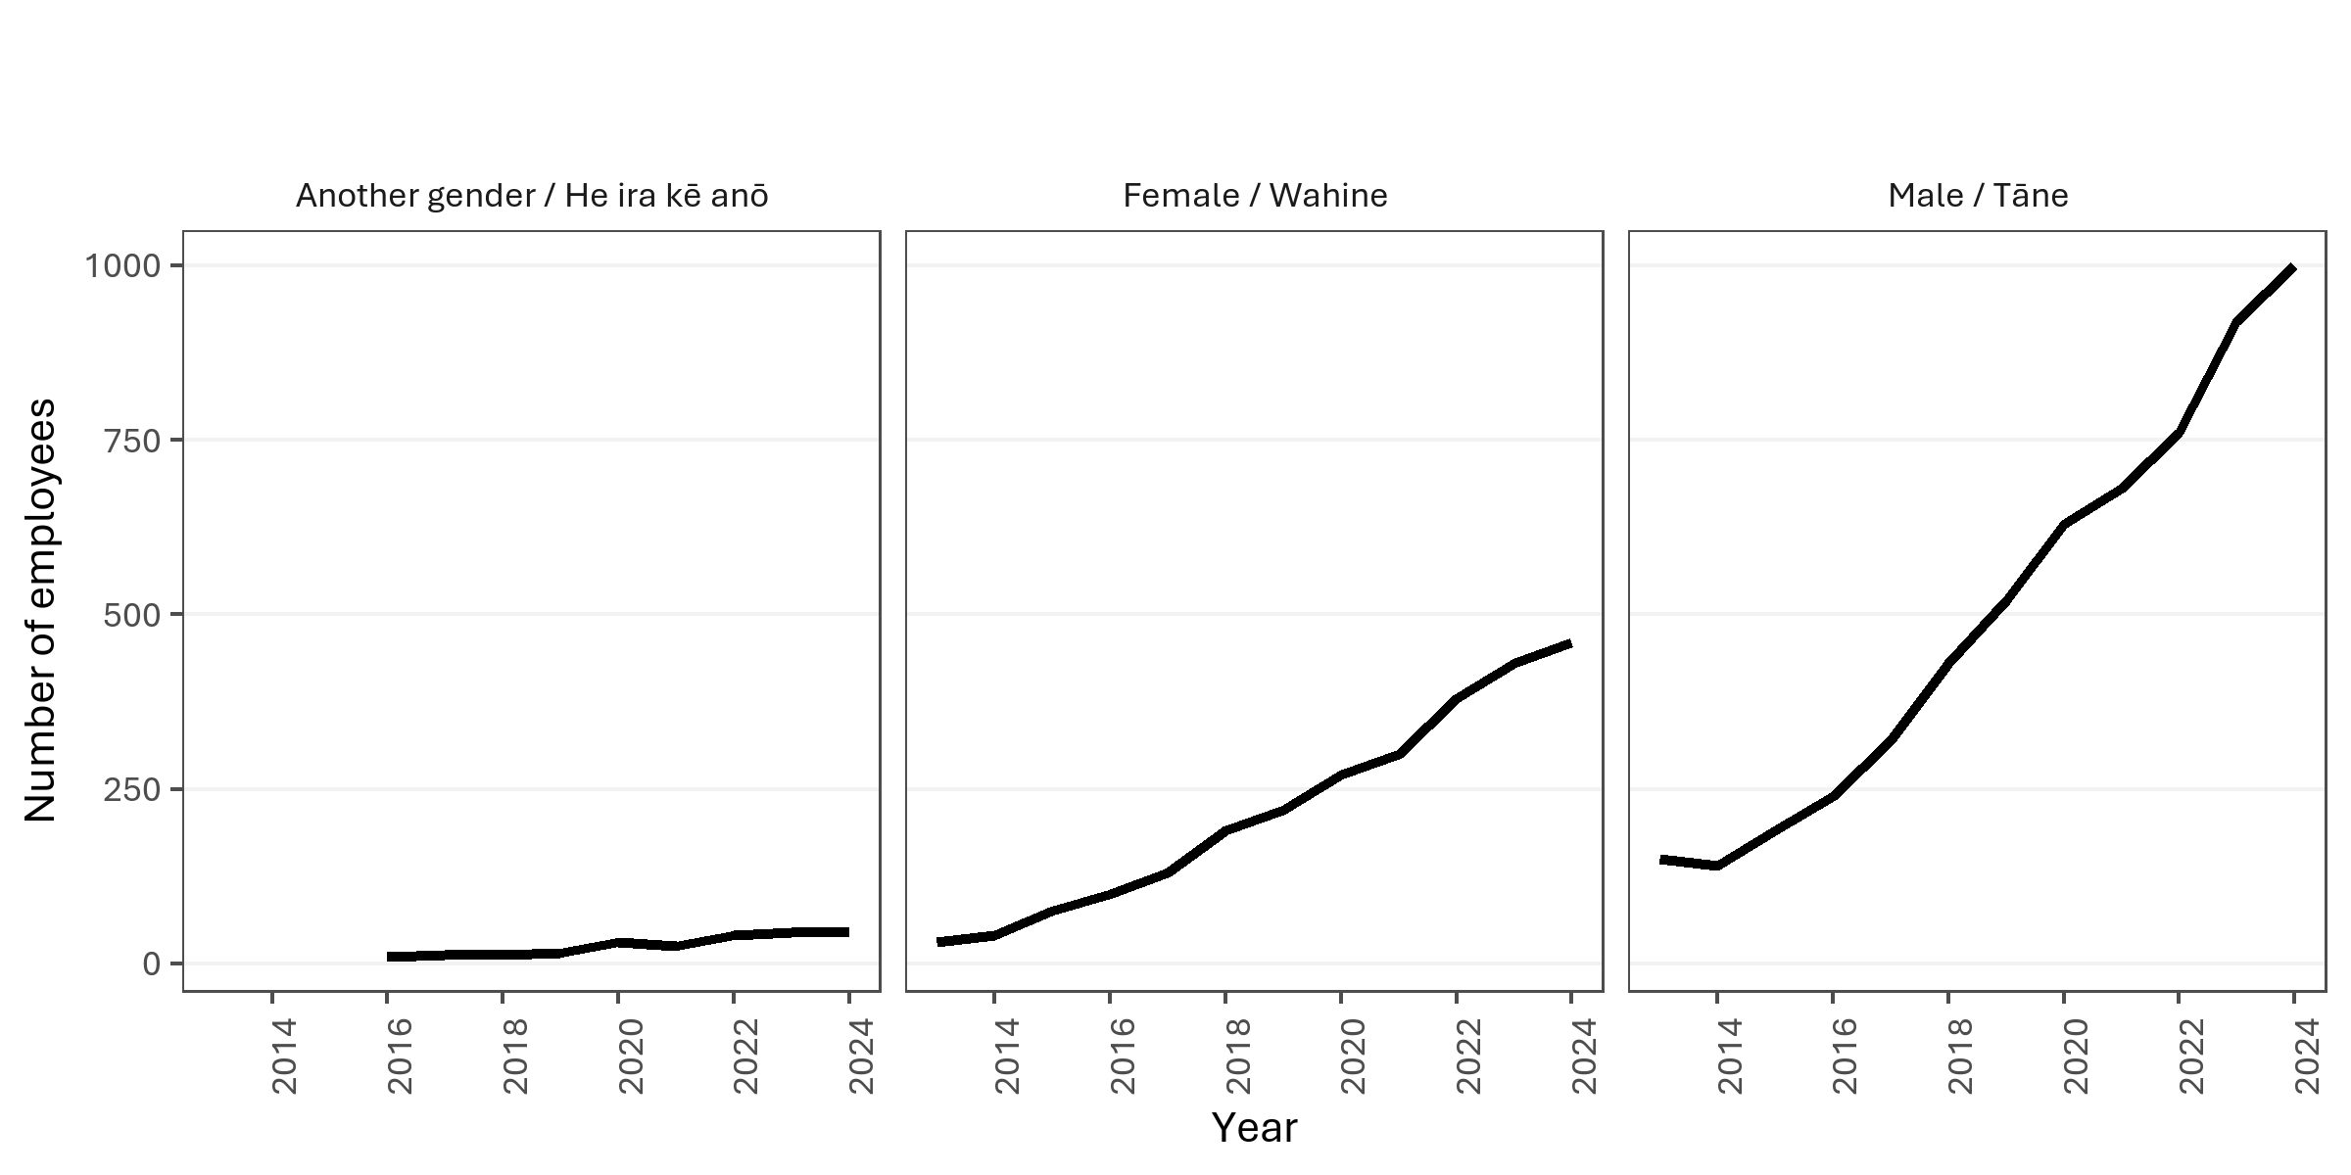

Count of employees by gender (Census 2023).

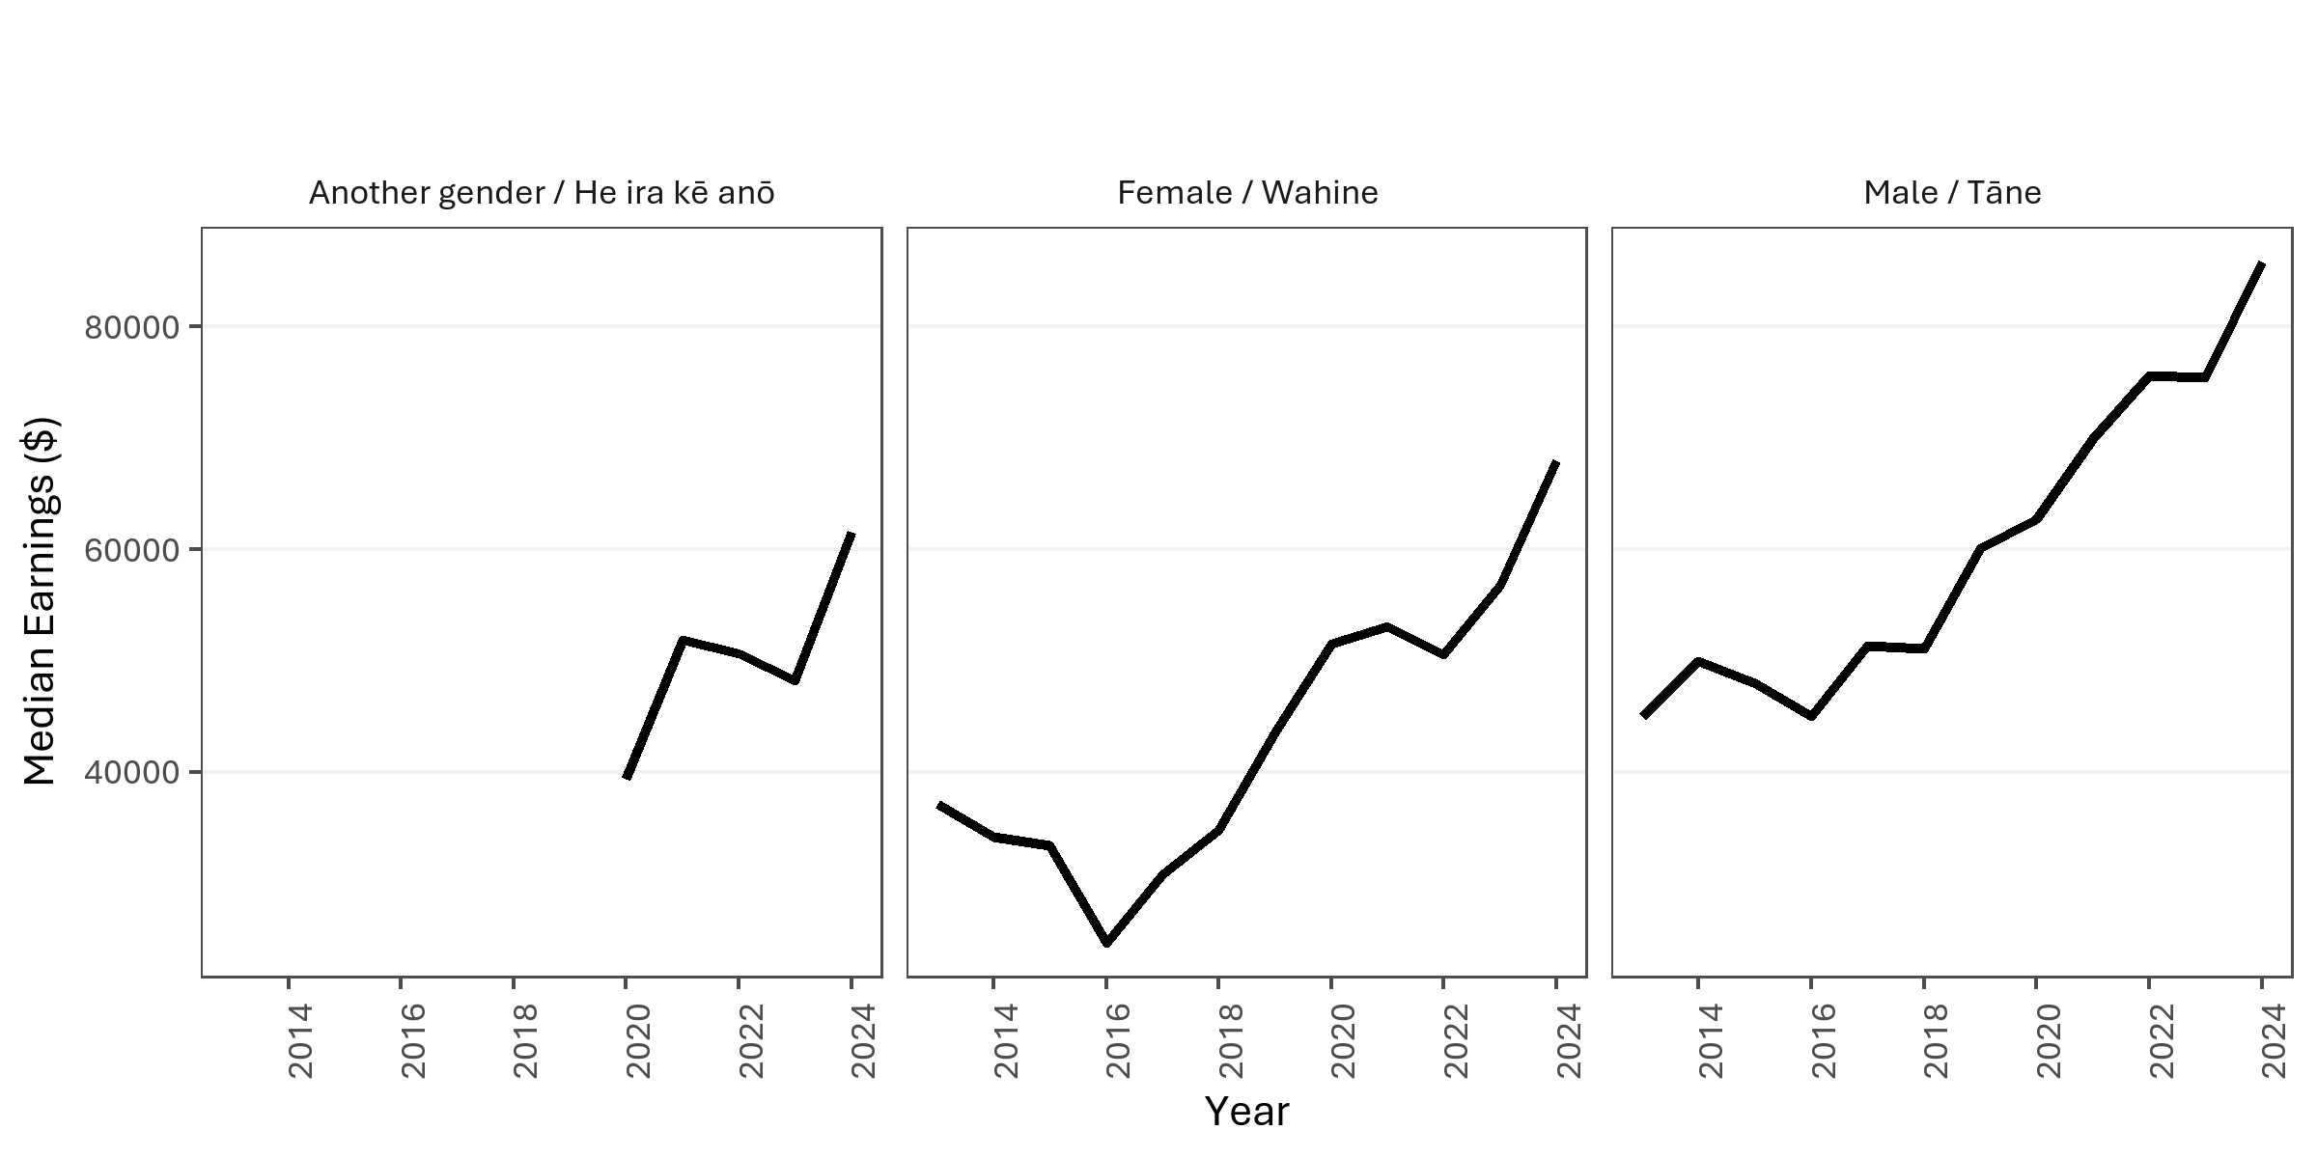

Wages and salary earnings of employees by gender (Census 2023).

year | character | group | individuals | total_earnings | median_earnings | Average
2013 | Gender | Another gender / He ira kē anō
2013 | Gender | Female / Wahine | 30 | 1097292.4 | 37147.5 | 36576.413333
2013 | Gender | Male / Tāne | 150 | 7651162.08 | 44995.035 | 51007.7472
2014 | Gender | Another gender / He ira kē anō
2014 | Gender | Female / Wahine | 40 | 1475950.89 | 34151 | 36898.77225
2014 | Gender | Male / Tāne | 140 | 9392428.76 | 49967.5 | 67088.776857
2015 | Gender | Another gender / He ira kē anō
2015 | Gender | Female / Wahine | 75 | 2408872.26 | 33419 | 32118.2968
2015 | Gender | Male / Tāne | 190 | 11415796.68 | 47970 | 60083.140421
2016 | Gender | Another gender / He ira kē anō | 9
2016 | Gender | Female / Wahine | 100 | 3477896.03 | 24629 | 34778.9603
2016 | Gender | Male / Tāne | 240 | 14307867.95 | 44997 | 59616.116458
2017 | Gender | Another gender / He ira kē anō | 12
2017 | Gender | Female / Wahine | 130 | 4573161.92 | 30806 | 35178.168615
2017 | Gender | Male / Tāne | 320 | 19602918.63 | 51332 | 61259.120719
2018 | Gender | Another gender / He ira kē anō | 12
2018 | Gender | Female / Wahine | 190 | 6846597.28 | 34803 | 36034.722526
2018 | Gender | Male / Tāne | 430 | 27334896.95 | 51062.14 | 63569.527791
2019 | Gender | Another gender / He ira kē anō | 15
2019 | Gender | Female / Wahine | 220 | 10030093.32 | 43653 | 45591.333273
2019 | Gender | Male / Tāne | 520 | 36505493.47 | 60093.5 | 70202.872058
2020 | Gender | Another gender / He ira kē anō | 30 | 1020708.85 | 39353.695 | 34023.628333
2020 | Gender | Female / Wahine | 270 | 14271363.5 | 51549 | 52856.901852
2020 | Gender | Male / Tāne | 630 | 49659451.28 | 62669.49 | 78824.525841
2021 | Gender | Another gender / He ira kē anō | 25 | 1314255.39 | 51846.83 | 52570.2156
2021 | Gender | Female / Wahine | 300 | 16605113.26 | 53077.48 | 55350.377533
2021 | Gender | Male / Tāne | 680 | 57435946.75 | 70000.06 | 84464.627574
2022 | Gender | Another gender / He ira kē anō | 40 | 1964391.52 | 50611.09 | 49109.788
2022 | Gender | Female / Wahine | 380 | 22054174.28 | 50540.13 | 58037.300737
2022 | Gender | Male / Tāne | 760 | 68563946.74 | 75637.62 | 90215.719395
2023 | Gender | Another gender / He ira kē anō | 45 | 2173764.15 | 48265.63 | 48305.87
2023 | Gender | Female / Wahine | 430 | 26251438.51 | 56800.685 | 61049.857
2023 | Gender | Male / Tāne | 920 | 78809115.69 | 75436.7 | 85662.082272
2024 | Gender | Another gender / He ira kē anō | 45 | 2549666.19 | 61596.25 | 56659.248667
2024 | Gender | Female / Wahine | 460 | 33333744.91 | 68000.025 | 72464.662848
2024 | Gender | Male / Tāne | 1000 | 98573466.79 | 85833.41 | 98573.46679

EDA 5 - Employees Ethnicity
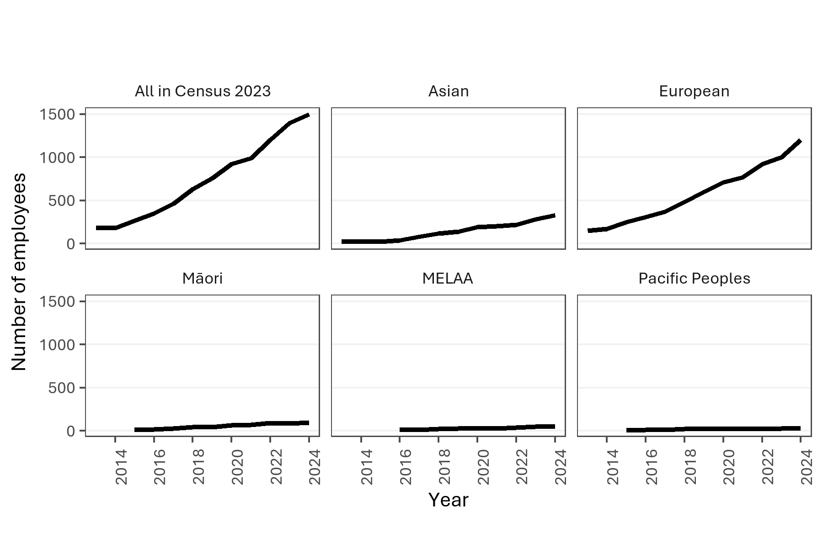
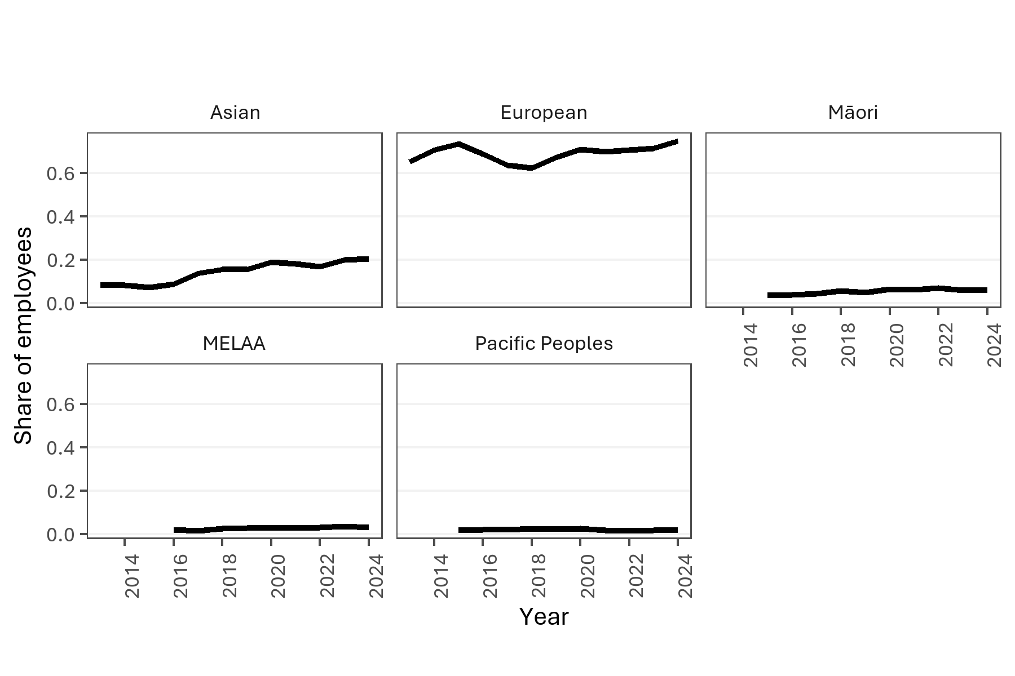

Count of employees by ethnicity (Census 2023). Note: individuals were free to indicate multiple ethnicities. |  |  |  |  |  |  | Proportion of employees by ethnicity (Census 2023); individuals were free to indicate multiple ethnicities.

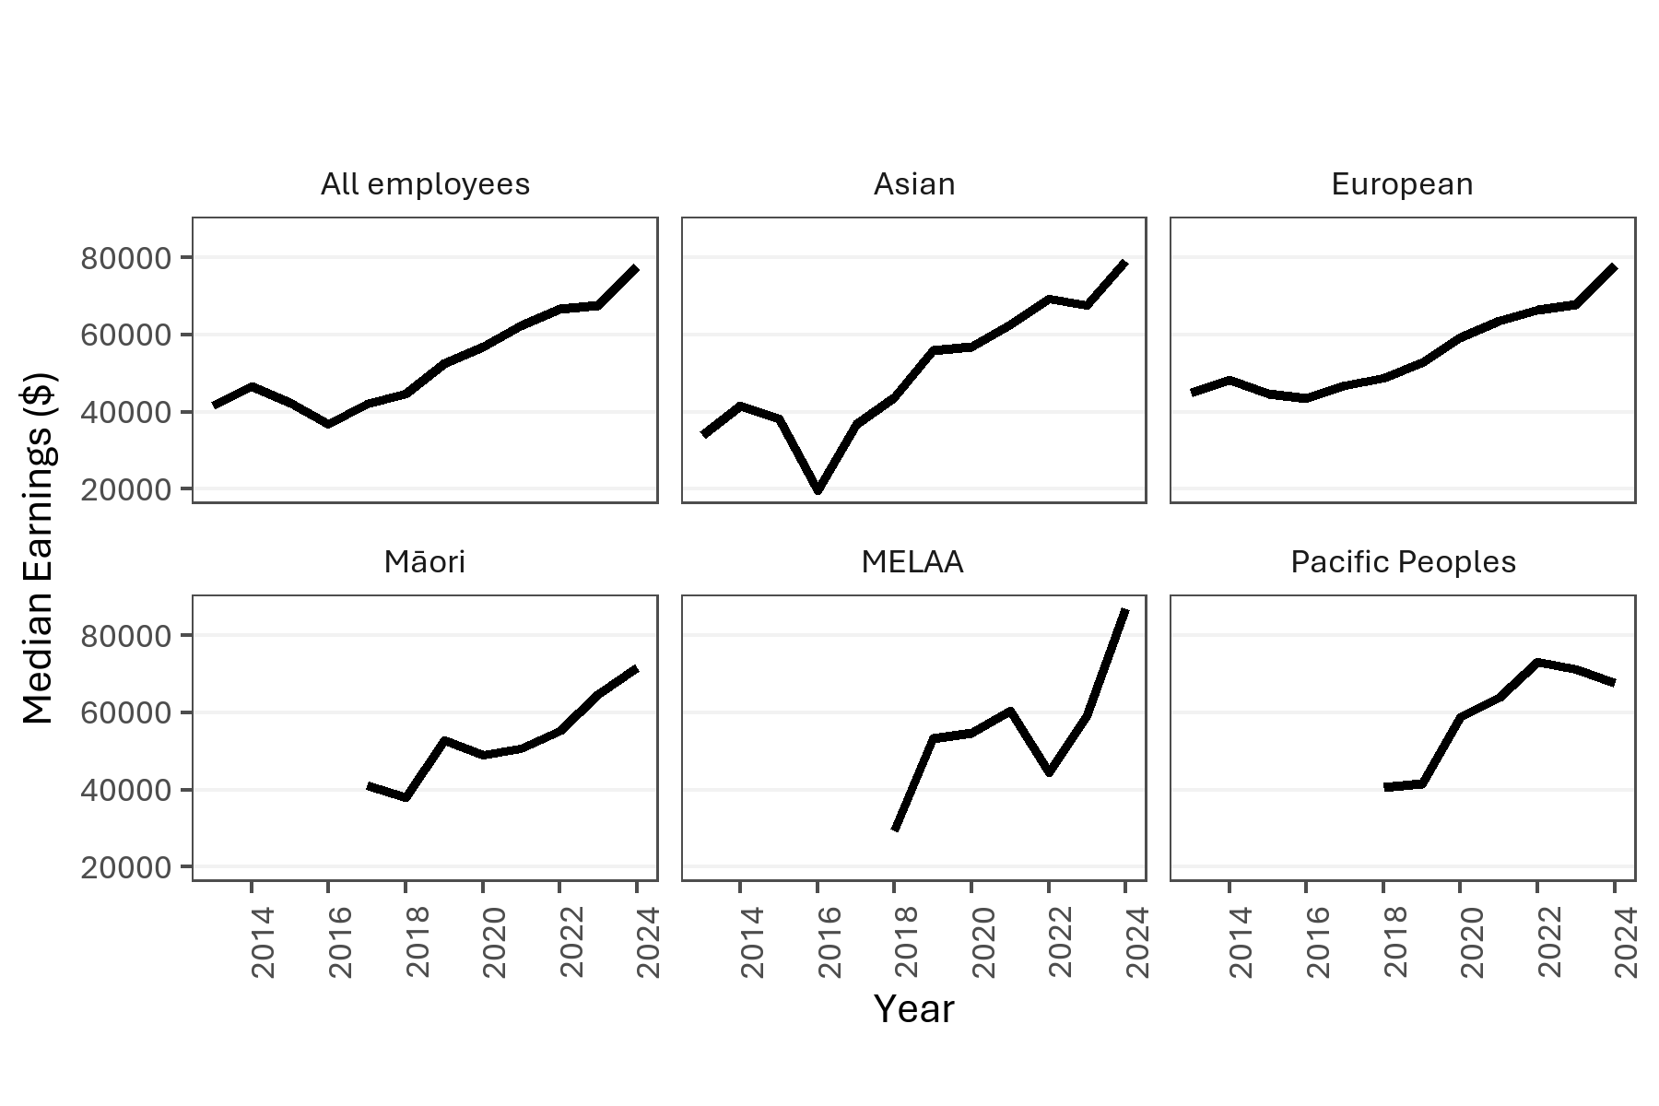
year | character | group | individuals | total_earnings | median_earnings | Average
2013 | Ethnicity | Asian | 20 | 720837.29 | 33841.12 | 36041.8645
2014 | Ethnicity | Asian | 20 | 873022.42 | 41647.5 | 43651.121
2015 | Ethnicity | Asian | 25 | 857209.5 | 38237.5 | 34288.38
2016 | Ethnicity | Asian | 40 | 1227130.73 | 19563.5 | 30678.26825
2017 | Ethnicity | Asian | 80 | 2850895.19 | 36775.35 | 35636.189875
2018 | Ethnicity | Asian | 120 | 5649789.09 | 43844 | 47081.57575
2019 | Ethnicity | Asian | 140 | 7578662.41 | 55808 | 54133.302929
2020 | Ethnicity | Asian | 190 | 10653767.91 | 56949.77 | 56072.462684
2021 | Ethnicity | Asian | 200 | 13172358.11 | 62642.575 | 65861.79055
2022 | Ethnicity | Asian | 220 | 16760475.44 | 69386.99 | 76183.979273
2023 | Ethnicity | Asian | 280 | 19873502.39 | 67542.115 | 70976.79425
2024 | Ethnicity | Asian | 330 | 27406252.76 | 79049.755 | 83049.250788
2013 | Ethnicity | European | 150 | 8028260.19 | 45000 | 53521.7346
2014 | Ethnicity | European | 170 | 10130440.23 | 48323 | 59590.824882
2015 | Ethnicity | European | 250 | 12990434.99 | 44612 | 51961.73996
2016 | Ethnicity | European | 310 | 16485059.6 | 43441 | 53177.611613
2017 | Ethnicity | European | 370 | 21451710.83 | 46937 | 57977.596838
2018 | Ethnicity | European | 480 | 28587171.56 | 48678 | 59556.607417
2019 | Ethnicity | European | 600 | 38578769.19 | 52832 | 64297.94865
2020 | Ethnicity | European | 710 | 52992859.78 | 59306.29 | 74637.830676 | Wages and salary earnings of employees by ethnicity (Census 2023); individuals are free to indicate multiple ethnicities.
2021 | Ethnicity | European | 770 | 60414410.04 | 63616.67 | 78460.272779
2022 | Ethnicity | European | 920 | 73064850.93 | 66536.075 | 79418.316228
2023 | Ethnicity | European | 1000 | 84450018.91 | 67864.14 | 84450.01891
2024 | Ethnicity | European | 1200 | 103809682.85 | 78185.89 | 86508.069042
2013 | Ethnicity | Māori | 9
2014 | Ethnicity | Māori
2015 | Ethnicity | Māori | 12
2016 | Ethnicity | Māori | 18
2017 | Ethnicity | Māori | 25 | 1040510.01 | 41000 | 41620.4004
2018 | Ethnicity | Māori | 45 | 1798388.16 | 38071.405 | 39964.181333
2019 | Ethnicity | Māori | 45 | 2321177.41 | 52905 | 51581.720222
2020 | Ethnicity | Māori | 65 | 3348309.37 | 49020.56 | 51512.451846
2021 | Ethnicity | Māori | 70 | 4194592.41 | 50565 | 59922.748714
2022 | Ethnicity | Māori | 90 | 5260937.57 | 55126.71 | 58454.861889
2023 | Ethnicity | Māori | 85 | 5576359.53 | 64657.5 | 65604.229765
2024 | Ethnicity | Māori | 95 | 7337825.75 | 71739.805 | 77240.271053
2013 | Ethnicity | MELAA
2015 | Ethnicity | MELAA
2016 | Ethnicity | MELAA | 9
2017 | Ethnicity | MELAA | 9
2018 | Ethnicity | MELAA | 20 | 553280.28 | 29352 | 27664.014
2019 | Ethnicity | MELAA | 25 | 1057488.25 | 53327.5 | 42299.53
2020 | Ethnicity | MELAA | 30 | 1602787.18 | 54650.33 | 53426.239333
2021 | Ethnicity | MELAA | 30 | 1840687.37 | 60501.81 | 61356.245667
2022 | Ethnicity | MELAA | 40 | 2417676.02 | 44396.99 | 60441.9005
2023 | Ethnicity | MELAA | 50 | 3176301.47 | 59173.64 | 63526.0294
2024 | Ethnicity | MELAA | 50 | 4172558.27 | 87084.44 | 83451.1654
2013 | Ethnicity | Pacific Peoples | 6
2014 | Ethnicity | Pacific Peoples
2015 | Ethnicity | Pacific Peoples | 6
2016 | Ethnicity | Pacific Peoples | 9
2017 | Ethnicity | Pacific Peoples | 12
2018 | Ethnicity | Pacific Peoples | 20 | 1116777.71 | 40648 | 55838.8855
2019 | Ethnicity | Pacific Peoples | 20 | 1206594.71 | 41686.85 | 60329.7355
2020 | Ethnicity | Pacific Peoples | 25 | 1603435.6 | 58700.75 | 64137.424
2021 | Ethnicity | Pacific Peoples | 20 | 1698863.49 | 63849.3 | 84943.1745
2022 | Ethnicity | Pacific Peoples | 20 | 1979042.77 | 73141.565 | 98952.1385
2023 | Ethnicity | Pacific Peoples | 25 | 2139422.93 | 71261.68 | 85576.9172
2024 | Ethnicity | Pacific Peoples | 30 | 2516024.24 | 67572.31 | 83867.474667

EDA 6 - Qualifications
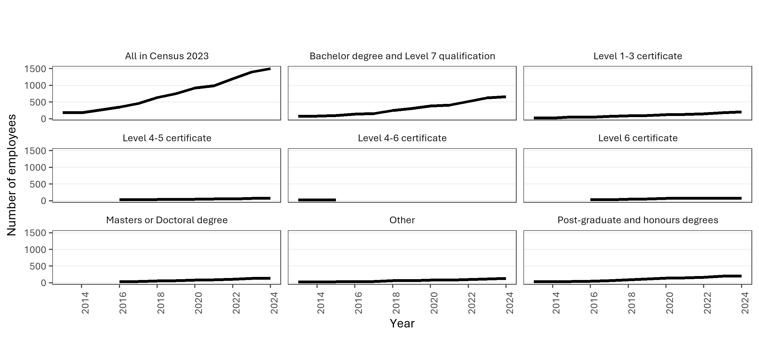
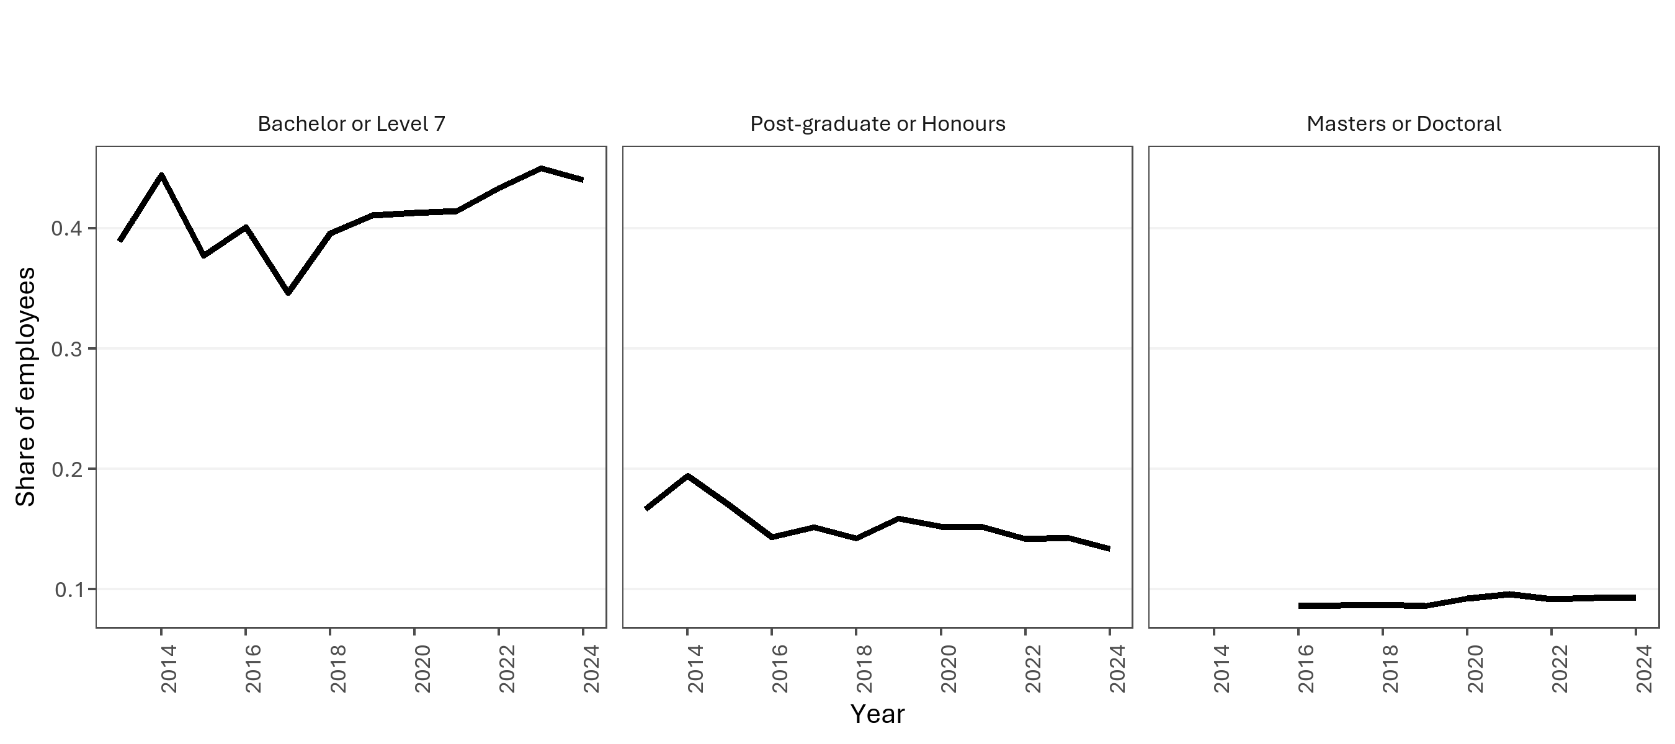

Count of employees by highest qualification (Census 2023). |  |  |  |  |  |  | Proportion of employees by highest qualification (Census 2023).

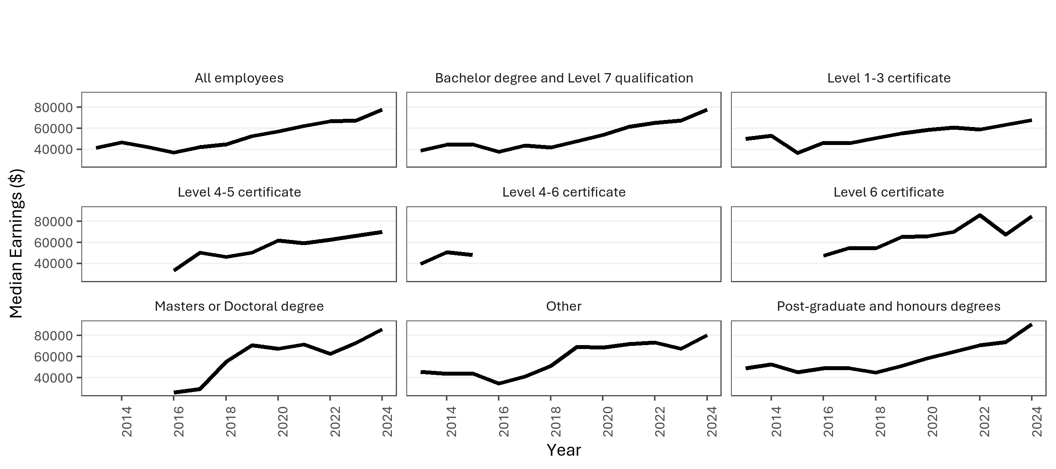
year | character | group | individuals | total_earnings | median_earnings | Average
2013 | Highest Qualification | Bachelor degree and Level 7 qualification | 70 | 3115593.95 | 38755.5 | 44508.485
2013 | Highest Qualification | Level 1-3 certificate | 25 | 1380442.82 | 49997.02 | 55217.7128
2013 | Highest Qualification | Level 4-6 certificate | 25 | 1038011.3 | 39522 | 41520.452
2013 | Highest Qualification | Other | 25 | 1691198.02 | 45764.07 | 67647.9208
2013 | Highest Qualification | Post-graduate and honours degrees | 30 | 1574870.39 | 48998.51 | 52495.679667
2014 | Highest Qualification | Bachelor degree and Level 7 qualification | 80 | 4211732.01 | 44289.5 | 52646.650125
2014 | Highest Qualification | Level 1-3 certificate | 25 | 1465268.55 | 52999 | 58610.742
2014 | Highest Qualification | Level 4-6 certificate | 25 | 1182255 | 50753 | 47290.2
2014 | Highest Qualification | Other | 25 | 1758073.83 | 43752.5 | 70322.9532
2014 | Highest Qualification | Post-graduate and honours degrees | 35 | 2349554.26 | 52538 | 67130.121714
2015 | Highest Qualification | Bachelor degree and Level 7 qualification | 100 | 5130622.01 | 44762 | 51306.2201
2015 | Highest Qualification | Level 1-3 certificate | 55 | 2284726.43 | 36627 | 41540.480545
2015 | Highest Qualification | Level 4-6 certificate | 35 | 1774917.91 | 48000 | 50711.940286
2015 | Highest Qualification | Other | 35 | 2534633.59 | 44226 | 72418.102571
2015 | Highest Qualification | Post-graduate and honours degrees | 45 | 2231007 | 45095 | 49577.933333
2016 | Highest Qualification | Bachelor degree and Level 7 qualification | 140 | 6499704.19 | 37790.67 | 46426.4585
2016 | Highest Qualification | Level 1-3 certificate | 50 | 3096627.11 | 46310.5 | 61932.5422
2016 | Highest Qualification | Level 4-5 certificate | 30 | 1041841.95 | 33430.5 | 34728.065
2016 | Highest Qualification | Level 6 certificate | 30 | 1299210.29 | 47551 | 43307.009667
2016 | Highest Qualification | Masters or Doctoral degree | 30 | 2276949.89 | 25910 | 75898.329667 | Wages and salary earnings of employees by highest qualification (Census 2023).
2016 | Highest Qualification | Other | 30 | 1161793.32 | 34549.535 | 38726.444
2016 | Highest Qualification | Post-graduate and honours degrees | 50 | 2621401.23 | 49032 | 52428.0246
2017 | Highest Qualification | Bachelor degree and Level 7 qualification | 160 | 8307010.08 | 43664 | 51918.813
2017 | Highest Qualification | Level 1-3 certificate | 75 | 4304639.98 | 45970.91 | 57395.199733
2017 | Highest Qualification | Level 4-5 certificate | 30 | 1443415.33 | 50265.5 | 48113.844333
2017 | Highest Qualification | Level 6 certificate | 35 | 1927471.26 | 54992 | 55070.607429
2017 | Highest Qualification | Masters or Doctoral degree | 40 | 3034522.43 | 29292 | 75863.06075
2017 | Highest Qualification | Other | 40 | 1769274.51 | 41107 | 44231.86275
2017 | Highest Qualification | Post-graduate and honours degrees | 70 | 3827277.96 | 48772.76 | 54675.399429
2018 | Highest Qualification | Bachelor degree and Level 7 qualification | 250 | 12197914.58 | 41875 | 48791.65832
2018 | Highest Qualification | Level 1-3 certificate | 90 | 5315116.34 | 50632.28 | 59056.848222
2018 | Highest Qualification | Level 4-5 certificate | 40 | 1873959.46 | 46309 | 46848.9865
2018 | Highest Qualification | Level 6 certificate | 50 | 2772914.45 | 54437 | 55458.289
2018 | Highest Qualification | Masters or Doctoral degree | 55 | 4358747.62 | 55256 | 79249.956727
2018 | Highest Qualification | Other | 65 | 3454860.13 | 51186.5 | 53151.694308
2018 | Highest Qualification | Post-graduate and honours degrees | 90 | 4710949.46 | 44953.91 | 52343.882889
2019 | Highest Qualification | Bachelor degree and Level 7 qualification | 310 | 17177002.19 | 47881 | 55409.684484
2019 | Highest Qualification | Level 1-3 certificate | 100 | 6231344 | 55165.5 | 62313.44
2019 | Highest Qualification | Level 4-5 certificate | 40 | 2243111.57 | 50558.265 | 56077.78925
2019 | Highest Qualification | Level 6 certificate | 55 | 3904001.15 | 65255 | 70981.839091
2019 | Highest Qualification | Masters or Doctoral degree | 65 | 5445674.71 | 70840 | 83779.610923
2019 | Highest Qualification | Other | 70 | 4731238.89 | 69318.8 | 67589.127
2019 | Highest Qualification | Post-graduate and honours degrees | 120 | 7477999.78 | 51179.77 | 62316.664833
2020 | Highest Qualification | Bachelor degree and Level 7 qualification | 380 | 23895326.79 | 53519.99 | 62882.438921
2020 | Highest Qualification | Level 1-3 certificate | 120 | 7848321.04 | 58694.13 | 65402.675333
2020 | Highest Qualification | Level 4-5 certificate | 45 | 2867618.98 | 61806.35 | 63724.866222
2020 | Highest Qualification | Level 6 certificate | 70 | 5925483.01 | 66166.86 | 84649.757286
2020 | Highest Qualification | Masters or Doctoral degree | 85 | 8720922.09 | 67400.35 | 102599.08341
2020 | Highest Qualification | Other | 80 | 5502828.38 | 68739.48 | 68785.35475
2020 | Highest Qualification | Post-graduate and honours degrees | 140 | 10191023.34 | 58649.82 | 72793.023857
2021 | Highest Qualification | Bachelor degree and Level 7 qualification | 410 | 28844228.87 | 61445.42 | 70351.777732
2021 | Highest Qualification | Level 1-3 certificate | 130 | 8244709.74 | 60880 | 63420.844154
2021 | Highest Qualification | Level 4-5 certificate | 55 | 3336941.94 | 59442.02 | 60671.671636
2021 | Highest Qualification | Level 6 certificate | 70 | 6890390.99 | 70127.115 | 98434.157
2021 | Highest Qualification | Masters or Doctoral degree | 95 | 9866788.05 | 71647.81 | 103860.92684
2021 | Highest Qualification | Other | 85 | 5725278.91 | 72019.23 | 67356.222471
2021 | Highest Qualification | Post-graduate and honours degrees | 150 | 12446976.9 | 64580.88 | 82979.846
2022 | Highest Qualification | Bachelor degree and Level 7 qualification | 520 | 38170520.36 | 65038.39 | 73404.846846
2022 | Highest Qualification | Level 1-3 certificate | 150 | 10380355.99 | 58807.64 | 69202.373267
2022 | Highest Qualification | Level 4-5 certificate | 60 | 4094421.44 | 62594.8 | 68240.357333
2022 | Highest Qualification | Level 6 certificate | 70 | 6847193.07 | 85961.58 | 97817.043857
2022 | Highest Qualification | Masters or Doctoral degree | 110 | 10367199.75 | 62849.185 | 94247.270455
2022 | Highest Qualification | Other | 100 | 7506175.35 | 73460.15 | 75061.7535
2022 | Highest Qualification | Post-graduate and honours degrees | 170 | 15216646.58 | 70987.03 | 89509.685765
2023 | Highest Qualification | Bachelor degree and Level 7 qualification | 630 | 47462991.35 | 67548.075 | 75338.081508
2023 | Highest Qualification | Level 1-3 certificate | 180 | 12338555.64 | 63195.1 | 68547.531333
2023 | Highest Qualification | Level 4-5 certificate | 70 | 4540172.46 | 66296.82 | 64859.606571
2023 | Highest Qualification | Level 6 certificate | 75 | 6308558.69 | 67656.08 | 84114.115867
2023 | Highest Qualification | Masters or Doctoral degree | 130 | 11355244.67 | 72999.92 | 87348.035923
2023 | Highest Qualification | Other | 120 | 8098167.82 | 67658.5 | 67484.731833
2023 | Highest Qualification | Post-graduate and honours degrees | 200 | 17130627.72 | 73820.42 | 85653.1386
2024 | Highest Qualification | Bachelor degree and Level 7 qualification | 660 | 59748319.77 | 77727.605 | 90527.757227
2024 | Highest Qualification | Level 1-3 certificate | 210 | 16142820.26 | 67855.03 | 76870.572667
2024 | Highest Qualification | Level 4-5 certificate | 80 | 5435449.86 | 70244.805 | 67943.12325
2024 | Highest Qualification | Level 6 certificate | 80 | 7705589.32 | 84999.91 | 96319.8665
2024 | Highest Qualification | Masters or Doctoral degree | 140 | 14335956.81 | 86000 | 102399.6915
2024 | Highest Qualification | Other | 130 | 10546819.69 | 80386.96 | 81129.382231
2024 | Highest Qualification | Post-graduate and honours degrees | 200 | 20541922.18 | 91135.14 | 102709.6109

EDA 7 - Employees Age
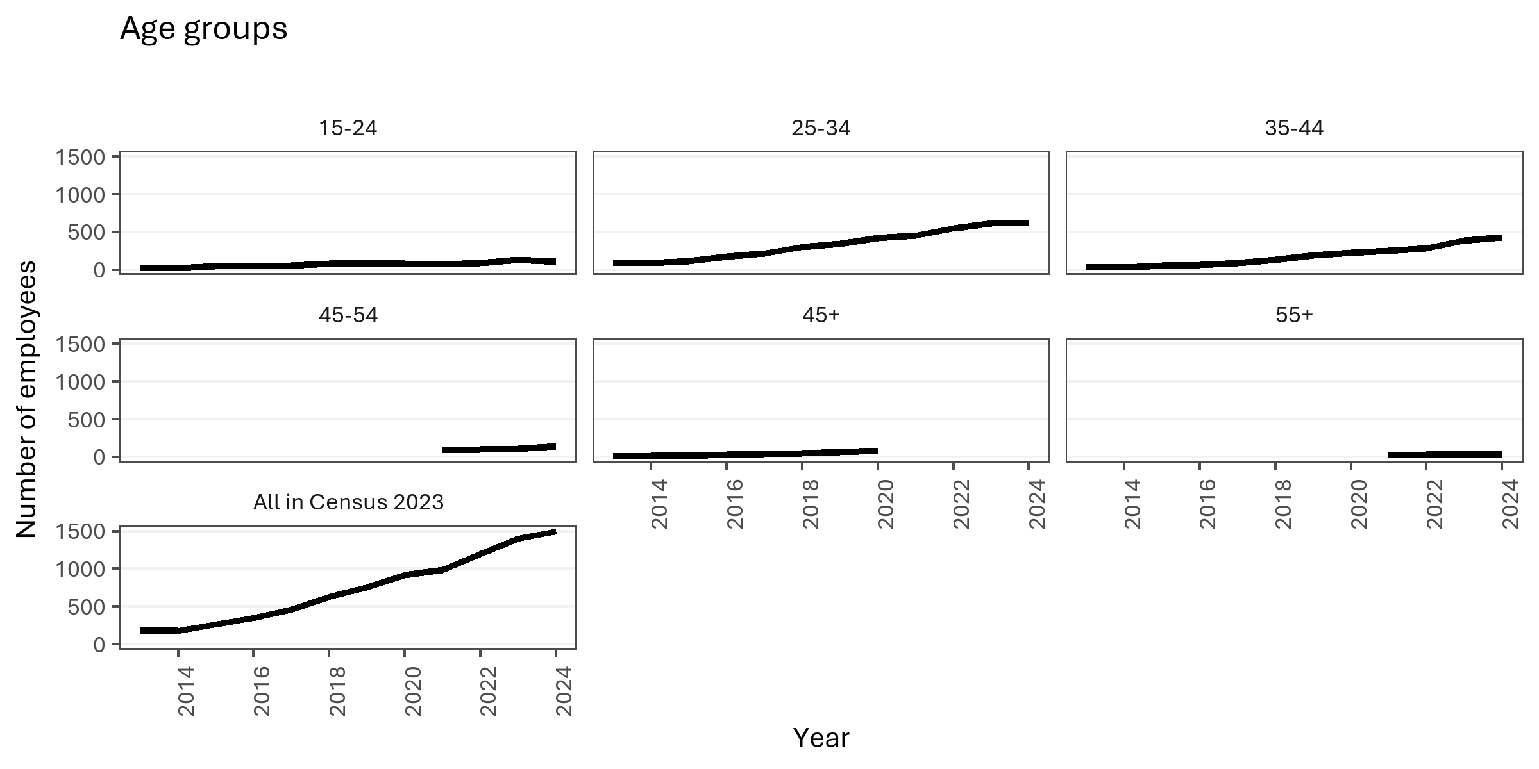
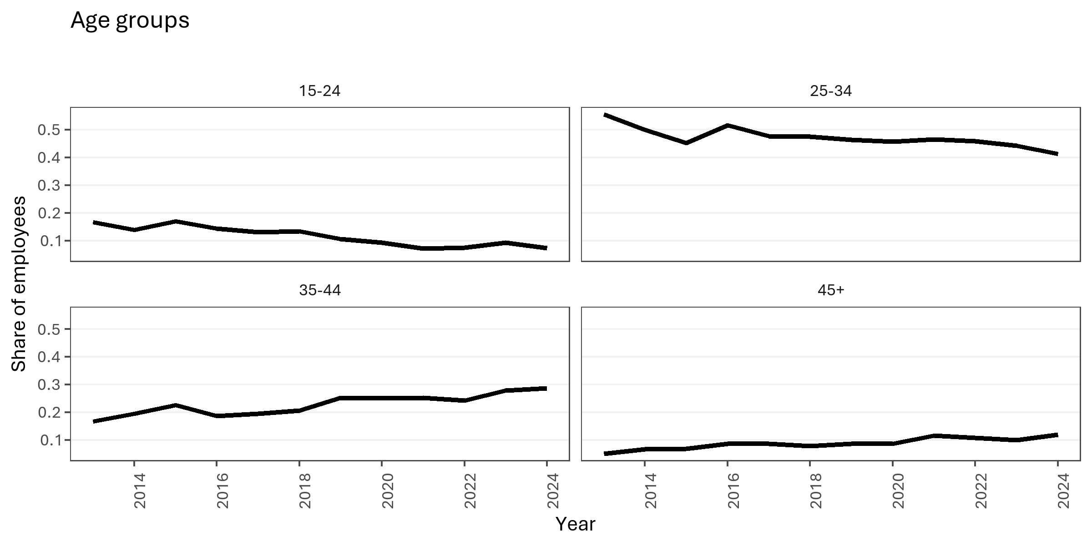

Count of employees by age group (Census 2023). |  |  |  |  |  |  | Proportion of employees by age group (Census 2023).

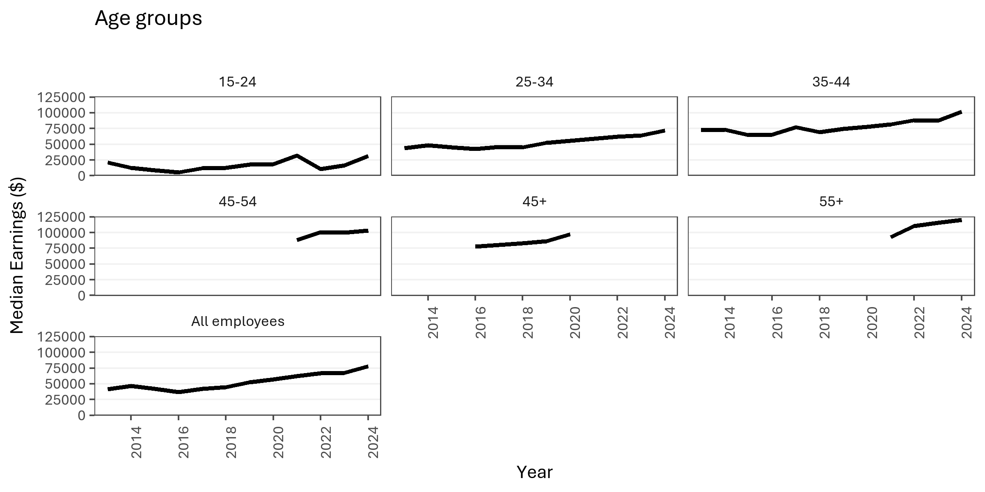
year | character | group | individuals | total_earnings | median_earnings | Average
2013 | Age Group | 15-24 | 30 | 547910.62 | 21246 | 18263.687333
2013 | Age Group | 25-34 | 100 | 4084949.47 | 43678.865 | 40849.4947
2013 | Age Group | 35-44 | 30 | 2783337.97 | 72428 | 92777.932333
2013 | Age Group | 45+ | 9
2014 | Age Group | 15-24 | 25 | 481797 | 12516 | 19271.88
2014 | Age Group | 25-34 | 90 | 4606146.35 | 48242 | 51179.403889
2014 | Age Group | 35-44 | 35 | 2987869.92 | 73493 | 85367.712
2014 | Age Group | 45+ | 12
2015 | Age Group | 15-24 | 45 | 734343 | 8672 | 16318.733333
2015 | Age Group | 25-34 | 120 | 5626205.54 | 45495 | 46885.046167
2015 | Age Group | 35-44 | 60 | 4187017.98 | 64610.5 | 69783.633
2015 | Age Group | 45+ | 18
2016 | Age Group | 15-24 | 50 | 626528.02 | 5641.96 | 12530.5604
2016 | Age Group | 25-34 | 180 | 7642345.38 | 42800 | 42457.474333
2016 | Age Group | 35-44 | 65 | 4995149.61 | 65653.5 | 76848.455538
2016 | Age Group | 45+ | 30 | 3216435.07 | 77992 | 107214.50233
2017 | Age Group | 15-24 | 60 | 1084589.47 | 11978 | 18076.491167
2017 | Age Group | 25-34 | 220 | 9804090.48 | 45970.91 | 44564.047636
2017 | Age Group | 35-44 | 90 | 6784929.88 | 76885.5 | 75388.109778
2017 | Age Group | 45+ | 40 | 4840758.97 | 80457.53 | 121018.97425 | Wages and salary earnings of employees by age group (Census 2023).
2018 | Age Group | 15-24 | 85 | 1814569.19 | 12553.85 | 21347.872824
2018 | Age Group | 25-34 | 300 | 12896861.75 | 44874.5 | 42989.539167
2018 | Age Group | 35-44 | 130 | 10208982.86 | 69212 | 78530.637385
2018 | Age Group | 45+ | 50 | 5876985.17 | 82966 | 117539.7034
2019 | Age Group | 15-24 | 80 | 1832877.29 | 17787 | 22910.966125
2019 | Age Group | 25-34 | 350 | 18614029.68 | 52456 | 53182.941943
2019 | Age Group | 35-44 | 190 | 15077462.42 | 74530.5 | 79355.065368
2019 | Age Group | 45+ | 65 | 6568095.26 | 86194.5 | 101047.61938
2020 | Age Group | 15-24 | 85 | 2036575.62 | 18577.03 | 23959.713176
2020 | Age Group | 25-34 | 420 | 24724566.21 | 55865.17 | 58868.014786
2020 | Age Group | 35-44 | 230 | 20941431.82 | 77608.69 | 91049.703565
2020 | Age Group | 45+ | 80 | 10684613.4 | 97500.765 | 133557.6675
2021 | Age Group | 15-24 | 70 | 2186367.45 | 32470.295 | 31233.820714
2021 | Age Group | 25-34 | 460 | 28293223.74 | 59082.28 | 61507.00813
2021 | Age Group | 35-44 | 250 | 24617466.04 | 81503.87 | 98469.86416
2021 | Age Group | 45-54 | 90 | 11212723.69 | 88616.23 | 124585.81878
2021 | Age Group | 55+ | 25 | 2358649.64 | 92717.45 | 94345.9856
2022 | Age Group | 15-24 | 90 | 1924767.61 | 10581.25 | 21386.306778
2022 | Age Group | 25-34 | 550 | 35841508.39 | 61865.02 | 65166.378891
2022 | Age Group | 35-44 | 290 | 29300492.32 | 88394.215 | 101036.18041
2022 | Age Group | 45-54 | 100 | 12210485.55 | 100821.05 | 122104.8555
2022 | Age Group | 55+ | 30 | 3009917.05 | 110499.98 | 100330.56833
2023 | Age Group | 15-24 | 130 | 3322514.81 | 16524.4 | 25557.806231
2023 | Age Group | 25-34 | 620 | 39614540.43 | 64098.68 | 63894.420048
2023 | Age Group | 35-44 | 390 | 38243256.49 | 87310.56 | 98059.632026
2023 | Age Group | 45-54 | 110 | 13604890.45 | 99960.1 | 123680.82227
2023 | Age Group | 55+ | 30 | 3267063.51 | 115612.52 | 108902.117
2024 | Age Group | 15-24 | 110 | 3654650.24 | 31460.32 | 33224.093091
2024 | Age Group | 25-34 | 620 | 46227610.62 | 72172.99 | 74560.66229
2024 | Age Group | 35-44 | 430 | 49394230.06 | 101720.32 | 114870.30247
2024 | Age Group | 45-54 | 140 | 16677402.25 | 103238.19 | 119124.30179
2024 | Age Group | 55+ | 40 | 4410259.54 | 120000 | 110256.4885

EDA 8 - Migration Status
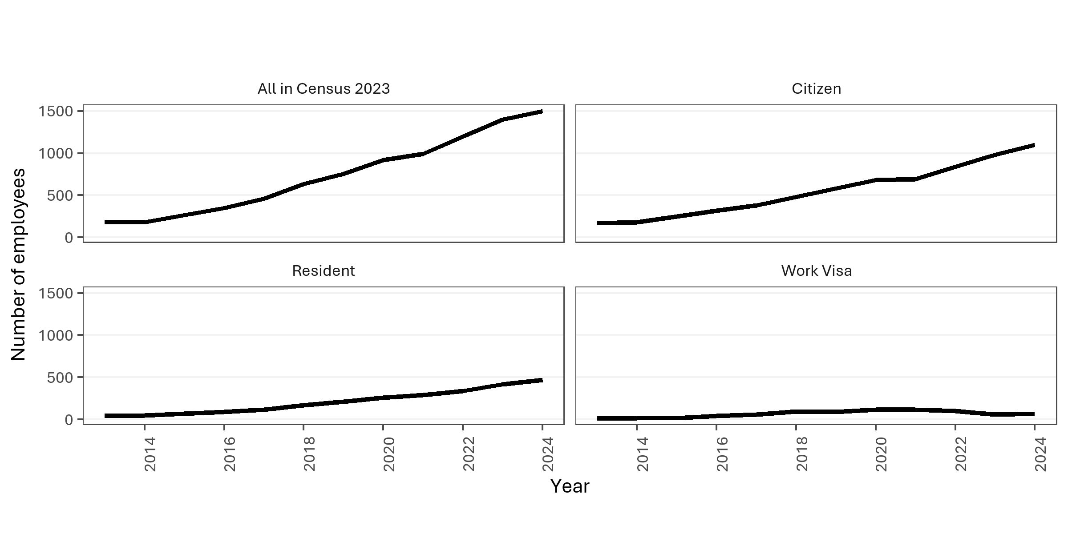
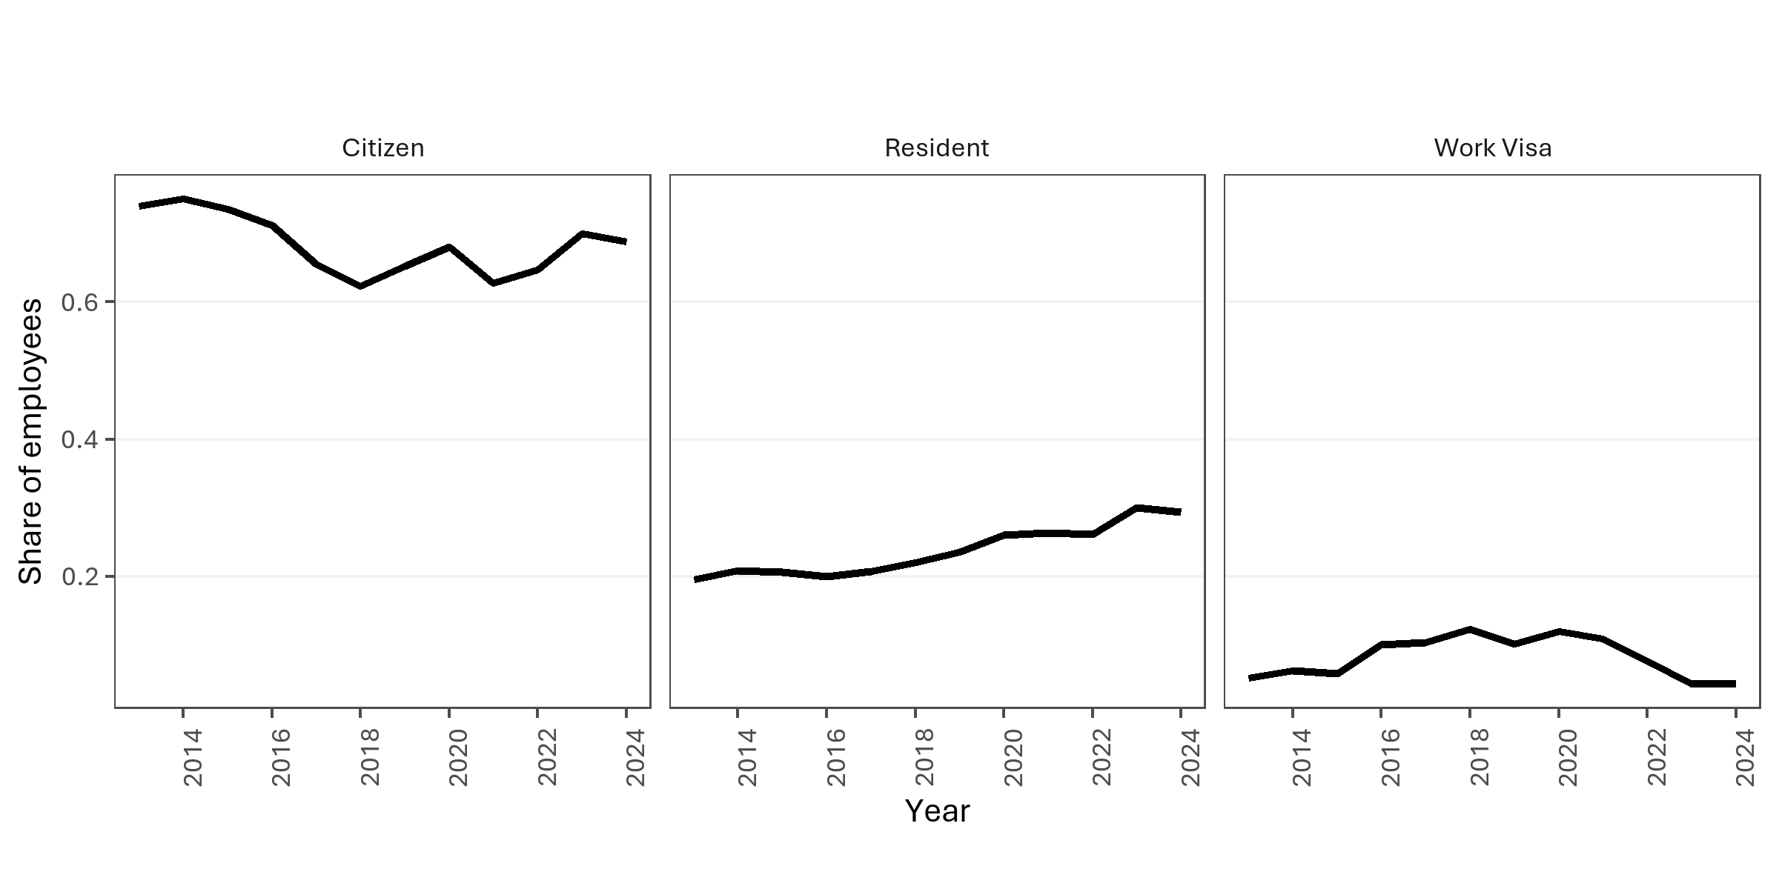

Count of employees by migration status. Note: Resident includes both Permanent Residents and holders of a Resident Visa. |  |  |  |  |  |  | Proportion of employees by migration status. Note: Resident includes both Permanent Residents and holders of a Resident Visa.

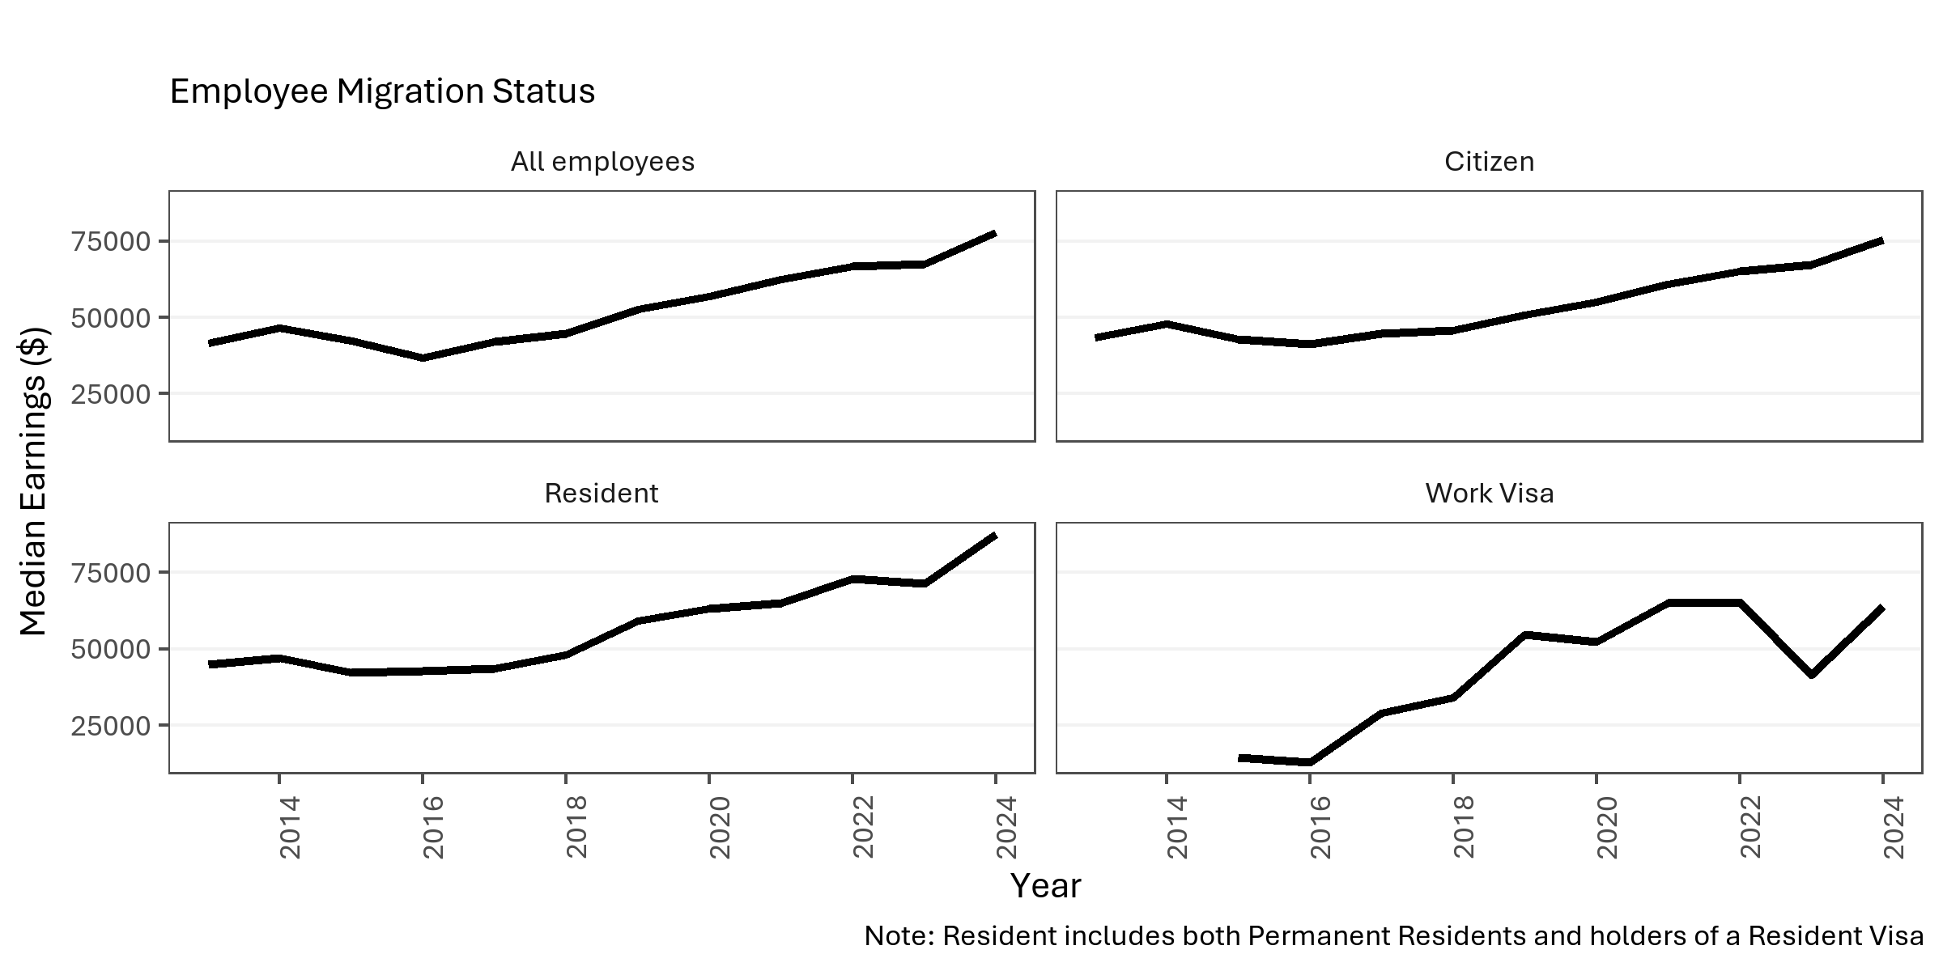
year | character | group | individuals | total_earnings | median_earnings | Average
2013 | Migration Status | Citizen | 170 | 7687689.91 | 43306 | 45221.705353
2013 | Migration Status | Resident | 45 | 2353426.86 | 44994.07 | 52298.374667
2013 | Migration Status | Work Visa | 12
2014 | Migration Status | Citizen | 180 | 8906044.41 | 47859 | 49478.0245
2014 | Migration Status | Other
2014 | Migration Status | Resident | 50 | 3306362.24 | 47004.5 | 66127.2448
2014 | Migration Status | Work Visa | 15
2015 | Migration Status | Citizen | 250 | 11723554.08 | 42965 | 46894.21632
2015 | Migration Status | Other
2015 | Migration Status | Resident | 70 | 4124954.01 | 42248.5 | 58927.914429
2015 | Migration Status | Work Visa | 20 | 636756.92 | 14404.5 | 31837.846
2016 | Migration Status | Citizen | 320 | 14681156.99 | 41217 | 45878.615594
2016 | Migration Status | Other
2016 | Migration Status | Resident | 90 | 5203578.99 | 42780.77 | 57817.544333
2016 | Migration Status | Work Visa | 45 | 889787.14 | 12894 | 19773.047556
2017 | Migration Status | Citizen | 380 | 18910091.68 | 44821 | 49763.399158
2017 | Migration Status | Other | 12
2017 | Migration Status | Resident | 120 | 7171155.68 | 43692.5 | 59759.630667
2017 | Migration Status | Work Visa | 60 | 2250007.94 | 28950.14 | 37500.132333
2018 | Migration Status | Citizen | 480 | 25470499.33 | 45844.555 | 53063.540271 | Wages and salary earnings of employees by migration status. Note: Resident includes both Permanent Residents and holders of a Resident Visa.
2018 | Migration Status | Other | 9
2018 | Migration Status | Resident | 170 | 10908882.2 | 48248 | 64169.895294
2018 | Migration Status | Work Visa | 95 | 3702439.14 | 34027.5 | 38973.043579
2019 | Migration Status | Citizen | 580 | 34357712.75 | 50657.53 | 59237.435776
2019 | Migration Status | Other
2019 | Migration Status | Resident | 210 | 14412815.65 | 59120.595 | 68632.455476
2019 | Migration Status | Work Visa | 90 | 4668934.81 | 54610 | 51877.053444
2020 | Migration Status | Citizen | 680 | 44557274.43 | 55014.2 | 65525.403574
2020 | Migration Status | Resident | 260 | 20082789.72 | 63108.23 | 77241.498923
2020 | Migration Status | Work Visa | 120 | 6799452.79 | 52261.53 | 56662.106583
2021 | Migration Status | Citizen | 690 | 51242956.75 | 60937.49 | 74265.15471
2021 | Migration Status | Other
2021 | Migration Status | Resident | 290 | 21878373.54 | 65000 | 75442.667379
2021 | Migration Status | Work Visa | 120 | 8499568.77 | 65033.37 | 70829.73975
2022 | Migration Status | Citizen | 840 | 63542449.26 | 65192.855 | 75645.772929
2022 | Migration Status | Other
2022 | Migration Status | Resident | 340 | 28035624.43 | 73038.3 | 82457.718912
2022 | Migration Status | Work Visa | 100 | 7443326.17 | 65270.595 | 74433.2617
2023 | Migration Status | Citizen | 980 | 74427360.05 | 67098.2 | 75946.285765
2023 | Migration Status | Other
2023 | Migration Status | Resident | 420 | 33145998.15 | 71450.85 | 78919.043214
2023 | Migration Status | Work Visa | 60 | 3192949.86 | 41594.915 | 53215.831
2024 | Migration Status | Citizen | 1100 | 90508778.8 | 75480.81 | 82280.708
2024 | Migration Status | Other | 6
2024 | Migration Status | Resident | 470 | 45775395.4 | 87678.72 | 97394.458298
2024 | Migration Status | Work Visa | 70 | 4820309.55 | 63906.075 | 68861.565

EDA 9 - Occupations
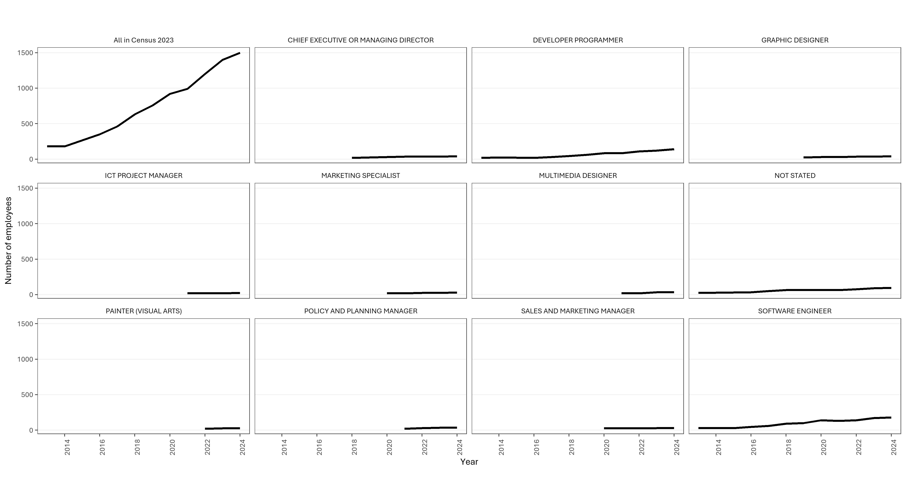

Count of employees by occupation. Note: Only occupations typically observed 20 or more times in year

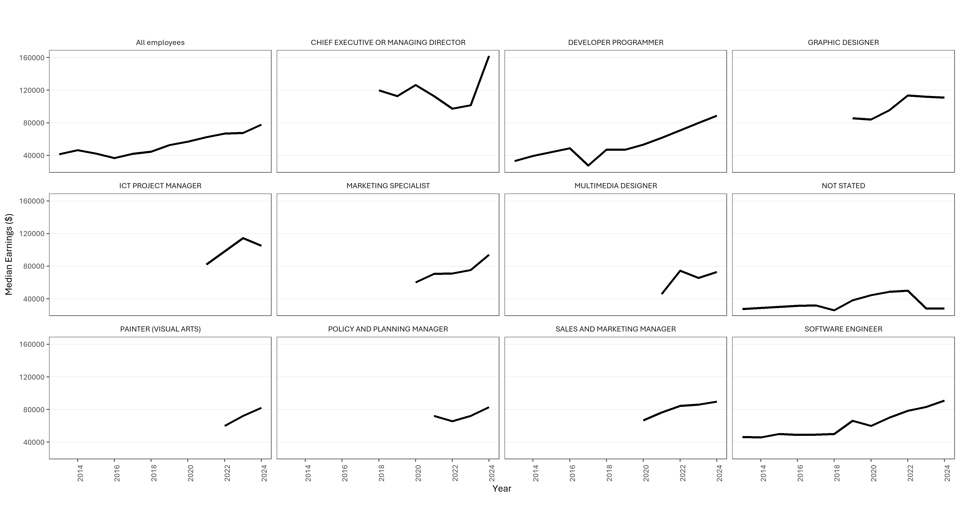

Wages and salary earnings of employees by occupation. Note: Only occupations typically observed 20 or more times in year

year | character | group | individuals | total_earnings | median_earnings | Average
2013 | Occupation | DEVELOPER PROGRAMMER | 20 | 738248.61 | 33248.515 | 36912.4305
2013 | Occupation | NOT STATED | 25 | 636979.56 | 27363.86 | 25479.1824
2013 | Occupation | SOFTWARE ENGINEER | 30 | 1265239.58 | 46360.035 | 42174.652667
2014 | Occupation | DEVELOPER PROGRAMMER | 25 | 869308.98 | 39393 | 34772.3592
2014 | Occupation | SOFTWARE ENGINEER | 30 | 1315071 | 45839 | 43835.7
2015 | Occupation | NOT STATED | 30 | 1074437.45 | 29942 | 35814.581667
2015 | Occupation | SOFTWARE ENGINEER | 30 | 1724570 | 49996 | 57485.666667
2016 | Occupation | DEVELOPER PROGRAMMER | 20 | 1053717.84 | 48775.5 | 52685.892
2016 | Occupation | NOT STATED | 35 | 1517993.58 | 31265.25 | 43371.245143
2016 | Occupation | SOFTWARE ENGINEER | 45 | 2093875.49 | 49032 | 46530.566444
2017 | Occupation | DEVELOPER PROGRAMMER | 30 | 1148942.91 | 27578.5 | 38298.097
2017 | Occupation | NOT STATED | 50 | 2262337.58 | 31831.5 | 45246.7516
2017 | Occupation | SOFTWARE ENGINEER | 60 | 2836245.11 | 49176.88 | 47270.751833
2018 | Occupation | CHIEF EXECUTIVE OR MANAGING DIRECTOR | 20 | 3748252.04 | 119899.5 | 187412.602
2018 | Occupation | DEVELOPER PROGRAMMER | 45 | 2083096.32 | 47265 | 46291.029333
2018 | Occupation | NOT STATED | 65 | 2773886.6 | 25936 | 42675.178462
2018 | Occupation | SOFTWARE ENGINEER | 90 | 4766198.08 | 49994 | 52957.756444
2019 | Occupation | CHIEF EXECUTIVE OR MANAGING DIRECTOR | 25 | 4239059.86 | 112708 | 169562.3944
2019 | Occupation | DEVELOPER PROGRAMMER | 60 | 2859181.33 | 46992 | 47653.022167
2019 | Occupation | GRAPHIC DESIGNER | 25 | 2488161.88 | 85597 | 99526.4752
2019 | Occupation | NOT STATED | 65 | 3427593.66 | 38264.5 | 52732.210154
2019 | Occupation | SOFTWARE ENGINEER | 100 | 6819298.45 | 66293 | 68192.9845
2020 | Occupation | CHIEF EXECUTIVE OR MANAGING DIRECTOR | 30 | 6655308.91 | 126300.1 | 221843.63033
2020 | Occupation | DEVELOPER PROGRAMMER | 85 | 4574079.09 | 53250.04 | 53812.695176
2020 | Occupation | GRAPHIC DESIGNER | 30 | 2981063.33 | 84102 | 99368.777667
2020 | Occupation | MARKETING SPECIALIST | 20 | 1301391.58 | 60183.725 | 65069.579
2020 | Occupation | NOT STATED | 65 | 4594374.85 | 44497 | 70682.69
2020 | Occupation | SALES AND MARKETING MANAGER | 25 | 1753151.13 | 66832.51 | 70126.0452
2020 | Occupation | SOFTWARE ENGINEER | 140 | 8290326.81 | 59999.95 | 59216.620071
2021 | Occupation | CHIEF EXECUTIVE OR MANAGING DIRECTOR | 35 | 7674472.86 | 112788.365 | 219270.65314
2021 | Occupation | DEVELOPER PROGRAMMER | 85 | 5635959.81 | 61500.02 | 66305.409529
2021 | Occupation | GRAPHIC DESIGNER | 30 | 2924862.24 | 95621.045 | 97495.408
2021 | Occupation | ICT PROJECT MANAGER | 20 | 1880993.34 | 82020.685 | 94049.667
2021 | Occupation | MARKETING SPECIALIST | 20 | 1586978.32 | 70423.905 | 79348.916
2021 | Occupation | MULTIMEDIA DESIGNER | 20 | 1072667.26 | 45799.01 | 53633.363
2021 | Occupation | NOT STATED | 65 | 5093091.76 | 48597.65 | 78355.257846
2021 | Occupation | POLICY AND PLANNING MANAGER | 20 | 1461233.91 | 72091.54 | 73061.6955
2021 | Occupation | SALES AND MARKETING MANAGER | 25 | 1731643.19 | 76442.43 | 69265.7276
2021 | Occupation | SOFTWARE ENGINEER | 130 | 10000116.53 | 70000.1 | 76923.973308
2022 | Occupation | CHIEF EXECUTIVE OR MANAGING DIRECTOR | 35 | 6587381.87 | 97359.9 | 188210.91057
2022 | Occupation | DEVELOPER PROGRAMMER | 110 | 7551554.26 | 70631.84 | 68650.493273
2022 | Occupation | GRAPHIC DESIGNER | 35 | 3649716.13 | 113575.01 | 104277.60371
2022 | Occupation | MARKETING SPECIALIST | 25 | 1988466.28 | 71173.005 | 79538.6512
2022 | Occupation | MULTIMEDIA DESIGNER | 20 | 1685991.8 | 74600.905 | 84299.59
2022 | Occupation | NOT STATED | 75 | 5093159 | 49833.39 | 67908.786667
2022 | Occupation | PAINTER (VISUAL ARTS) | 20 | 1434464.21 | 59864.96 | 71723.2105
2022 | Occupation | POLICY AND PLANNING MANAGER | 30 | 2247190.22 | 65618.185 | 74906.340667
2022 | Occupation | SALES AND MARKETING MANAGER | 25 | 2242965.59 | 84416.63 | 89718.6236
2022 | Occupation | SOFTWARE ENGINEER | 140 | 12429889 | 78517.3 | 88784.921429
2023 | Occupation | CHIEF EXECUTIVE OR MANAGING DIRECTOR | 35 | 6569052.25 | 101538.46 | 187687.20714
2023 | Occupation | DEVELOPER PROGRAMMER | 120 | 9897974.65 | 79816.69 | 82483.122083
2023 | Occupation | GRAPHIC DESIGNER | 35 | 3861529.1 | 112043.8 | 110329.40286
2023 | Occupation | ICT PROJECT MANAGER | 20 | 2372135.21 | 114332.165 | 118606.7605
2023 | Occupation | MARKETING SPECIALIST | 25 | 2222976.45 | 75166.75 | 88919.058
2023 | Occupation | MULTIMEDIA DESIGNER | 35 | 2273696.64 | 65699.64 | 64962.761143
2023 | Occupation | NOT STATED | 90 | 3661637.16 | 28203.6 | 40684.857333
2023 | Occupation | PAINTER (VISUAL ARTS) | 25 | 1800407.07 | 72306.795 | 72016.2828
2023 | Occupation | POLICY AND PLANNING MANAGER | 35 | 2816414.41 | 72104.105 | 80468.983143
2023 | Occupation | SALES AND MARKETING MANAGER | 30 | 2416871.5 | 86061.54 | 80562.383333
2023 | Occupation | SOFTWARE ENGINEER | 170 | 15504941.04 | 83076.83 | 91205.535529
2024 | Occupation | CHIEF EXECUTIVE OR MANAGING DIRECTOR | 40 | 7828193.53 | 162277.38 | 195704.83825
2024 | Occupation | DEVELOPER PROGRAMMER | 140 | 12860897.06 | 88859.09 | 91863.550429
2024 | Occupation | GRAPHIC DESIGNER | 40 | 4610324.88 | 110999.98 | 115258.122
2024 | Occupation | ICT PROJECT MANAGER | 25 | 3197970.52 | 104970.64 | 127918.8208
2024 | Occupation | MARKETING SPECIALIST | 30 | 3340203.37 | 94160.875 | 111340.11233
2024 | Occupation | MULTIMEDIA DESIGNER | 35 | 2779489.57 | 72978.07 | 79413.987714
2024 | Occupation | NOT STATED | 95 | 3841997.08 | 27999.54 | 40442.074526
2024 | Occupation | PAINTER (VISUAL ARTS) | 25 | 2098179.52 | 82150.89 | 83927.1808
2024 | Occupation | POLICY AND PLANNING MANAGER | 35 | 3234068.81 | 82853.435 | 92401.966
2024 | Occupation | SALES AND MARKETING MANAGER | 30 | 2978014.65 | 89829.165 | 99267.155
2024 | Occupation | SOFTWARE ENGINEER | 180 | 17889915.75 | 91057.75 | 99388.420833

EDA 10 - NZOA_NZGDA Features
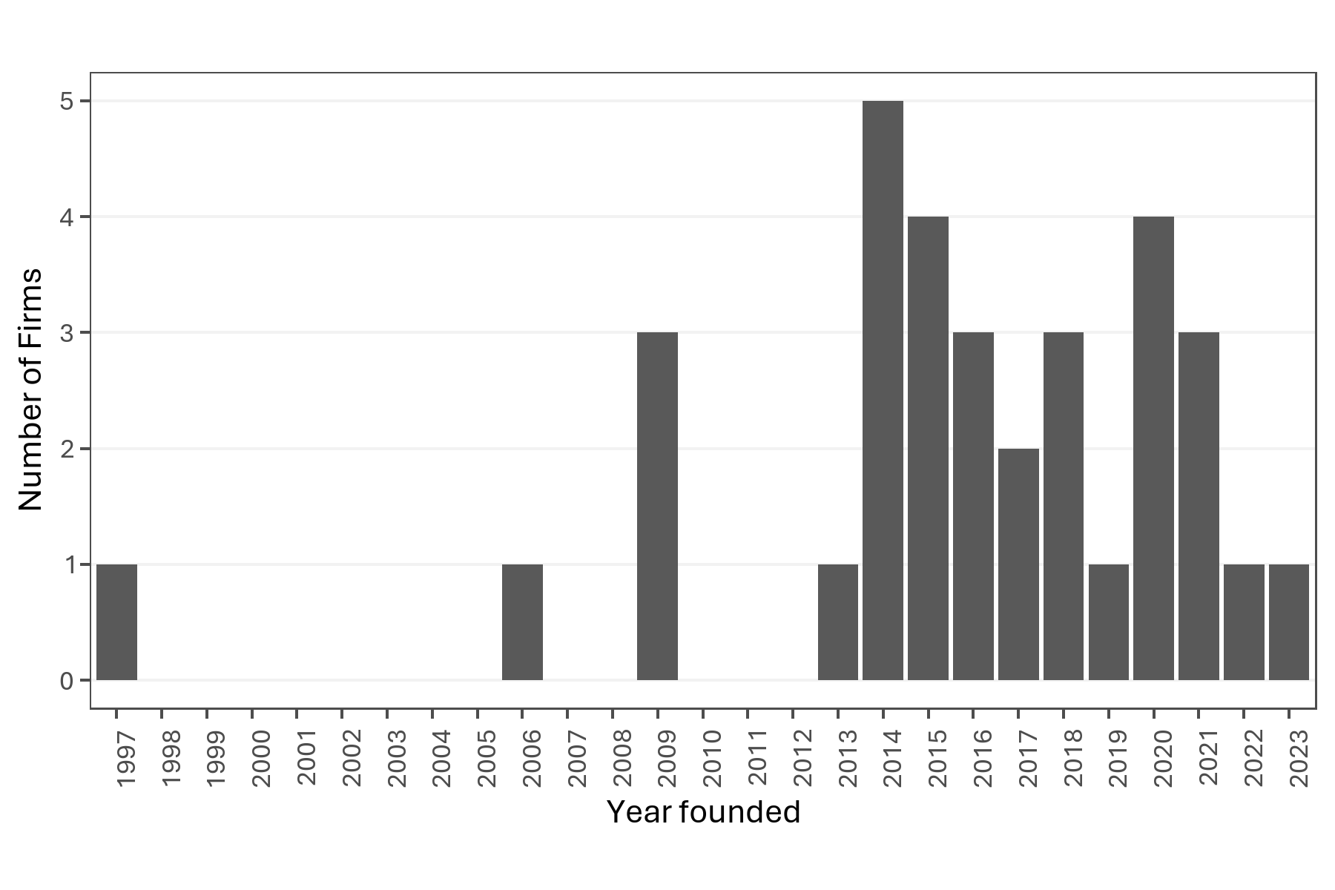
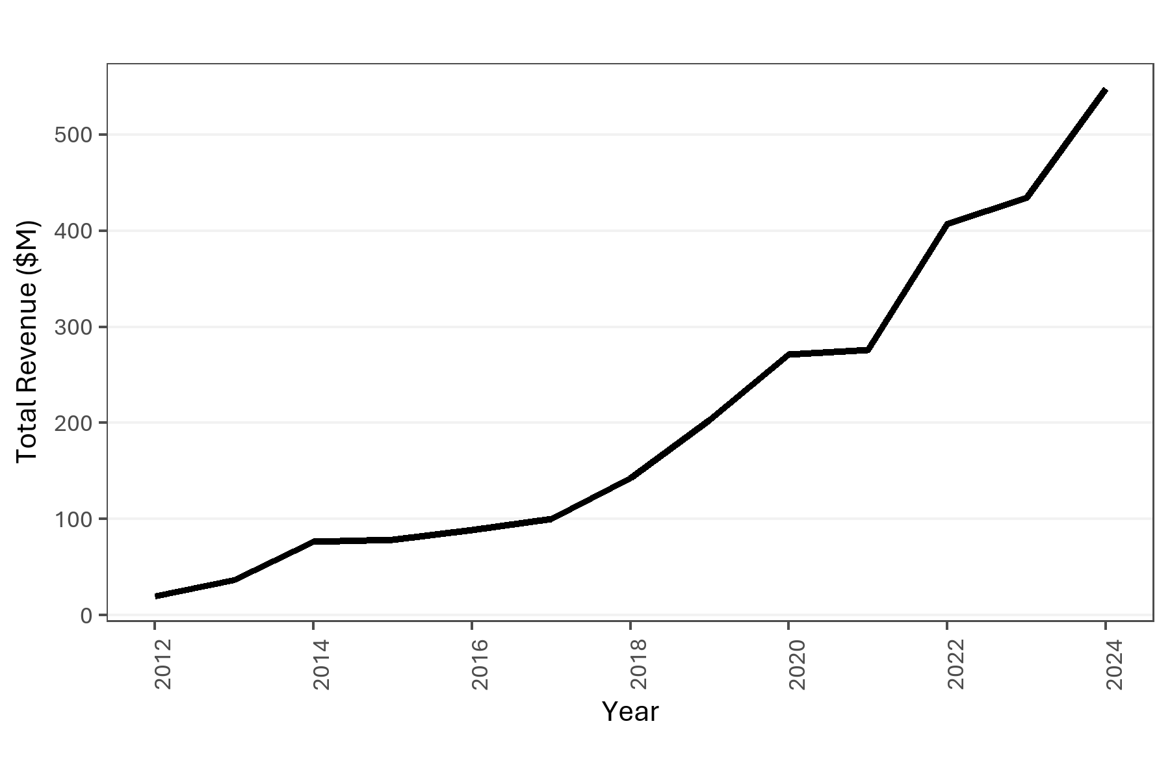

Year founded for firms recieving the GDSR. Source: NZOA | Total Revenue ($M) in nominal dollars. Source: NZGDA

EDA 11 - LBD IR10 non-salary
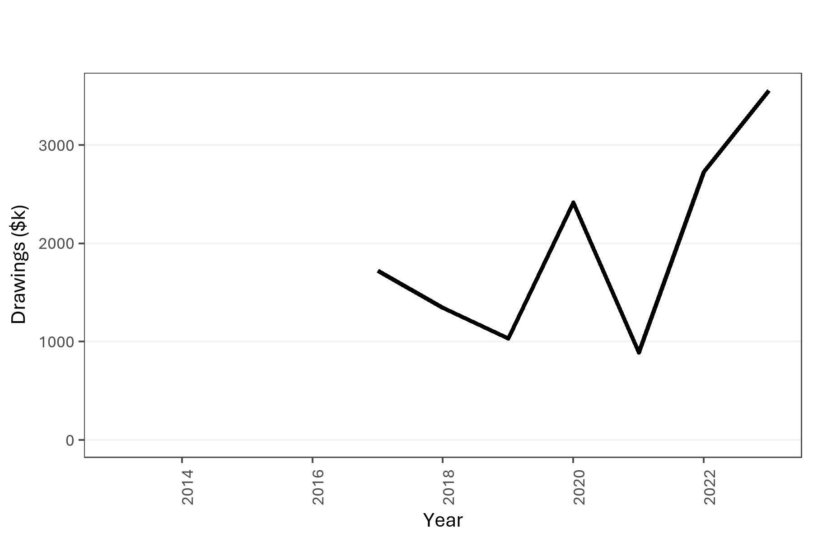
Year | Firms (RR3) | Drawings | Dividends Paid
2013 | 12
2014 | 15
2015 | 18
2016 | 18
2017 | 24 | 1723150
2018 | 27 | 1346932
2019 | 36 | 1034315.6
2020 | 36 | 2417417.4
2021 | 42 | 892320.3 | 34249298
2022 | 51 | 2731756
2023 | 60 | 3557111.6 | 50688549

 |  |  |  | Total Drawings reported. Source: LBD

