Maps
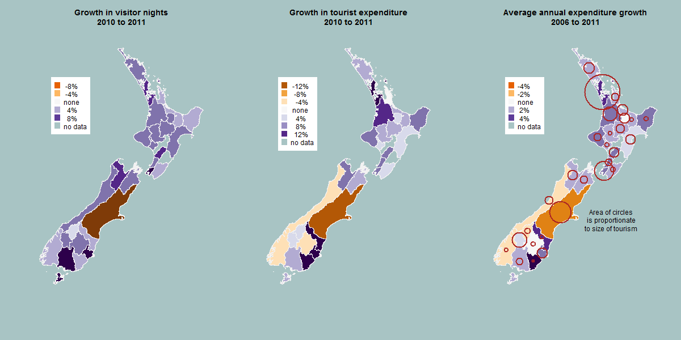

Chart T1a
 | Domestic | International | Total
2006 | 53,232,688 | 46,697,516 | 99,930,204
2007 | 52,493,058 | 47,188,769 | 99,681,827
2008 | 51,583,763 | 48,729,363 | 100,313,126
2009 | 54,625,965 | 47,713,363 | 102,339,328
2010 | 53,600,050 | 47,990,208 | 101,590,258
2011 | 56,037,824 | 49,030,546 | 105,068,370

Chart T1b
 | Domestic | International
Northland RTO | 3,901,588 | 1,768,076
Auckland RTO | 7,584,380 | 17,361,049
Coromandel RTO | 3,199,705 | 711,075
Waikato RTO | 3,099,719 | 2,021,267
Bay of Plenty RTO | 2,931,140 | 1,471,371
Rotorua RTO | 1,960,715 | 1,503,815
Lake Taupo RTO | 2,229,135 | 862,729
Gisborne RTO | 1,088,426 | 324,485
Hawke's Bay RTO | 2,323,379 | 1,289,912
Ruapehu RTO | 764,093 | 243,192
Taranaki RTO | 1,381,944 | 764,596
Wanganui RTO | 479,058 | 223,469
Manawatu RTO | 1,519,281 | 838,331
Wairarapa RTO | 713,940 | 225,558
Kapiti-Horowhenua RTO | 858,233 | 274,481
Wellington RTO | 3,730,235 | 3,532,800
Marlborough RTO | 1,243,240 | 849,987
Nelson RTO | 1,898,051 | 1,534,057
West Coast RTO | 1,050,366 | 1,198,055
Canterbury RTO | 7,008,260 | 5,071,945
Timaru RTO | 613,974 | 279,067
Mackenzie RTO | 498,358 | 401,287
Waitaki RTO | 568,018 | 235,451
Lake Wanaka RTO | 829,366 | 652,187
Queenstown RTO | 1,173,028 | 2,792,785
Fiordland RTO | 299,448 | 672,936
Central Otago RTO | 789,186 | 176,207
Dunedin RTO | 1,522,462 | 1,535,109
Southland RTO | 918,570 | 588,464

Chart T2
 | 2006 | 2011
Northland | 3,498,299 | 3,656,142
Auckland | 29,972,167 | 31,436,172
Waikato | 11,087,641 | 11,554,167
Bay of Plenty | 6,839,966 | 6,914,484
Gisborne | 1,248,596 | 1,307,191
Hawke's Bay | 3,467,385 | 3,530,191
Taranaki | 2,553,790 | 2,665,673
Manawatu-Wanganui | 5,844,323 | 5,851,030
Wellington | 13,187,764 | 13,747,201
Nelson-Tasman | 2,519,894 | 2,663,910
Marlborough | 1,544,786 | 1,635,965
Canterbury | 14,657,785 | 16,565,937
West Coast | 922,963 | 925,679
Otago | 6,245,821 | 6,724,010
Southland | 2,963,399 | 3,037,367
Australia | 20,081,152 | 22,315,142
Other Oceania | 4,933,469 | 6,403,862
United Kingdom | 17,276,039 | 12,894,426
Germany | 4,969,858 | 6,295,110
Other Europe | 10,415,916 | 12,175,414
United States | 7,667,051 | 6,629,266
Other Americas | 4,065,200 | 4,846,047
China | 3,168,376 | 4,994,643
Japan | 3,894,451 | 2,477,613
South Korea | 3,596,044 | 2,240,841
Other Asia | 7,600,535 | 9,903,446
Rest of World | 6,109,042 | 7,258,477

Chart T3
 | 2006 | 2011
Holiday | 24,689,696 | 26,280,862
VFR | 20,470,793 | 20,614,216
Business | 6,508,454 | 7,502,853
Education | 792,619 | 832,948
Other | 771,125 | 806,945
Holiday | 19,366,004 | 19,285,313
VFR | 15,541,700 | 16,488,878
Business | 2,935,122 | 2,473,432
Education | 4,432,782 | 5,191,256
Other | 4,421,907 | 5,591,667

Chart T3%
 | 2006 | 2011
Holiday | 24.7% | 25.0%
VFR | 20.5% | 19.6%
Business | 6.5% | 7.1%
Education | 0.8% | 0.8%
Other | 0.8% | 0.8%
Holiday | 19.4% | 18.4%
VFR | 15.6% | 15.7%
Business | 2.9% | 2.4%
Education | 4.4% | 4.9%
Other | 4.4% | 5.3%

