VKT Projections
VKT Projections
as at 08 June 2015

Actual data from MOT Vehicle Fleet Statistics 2013
Note: red values are projections
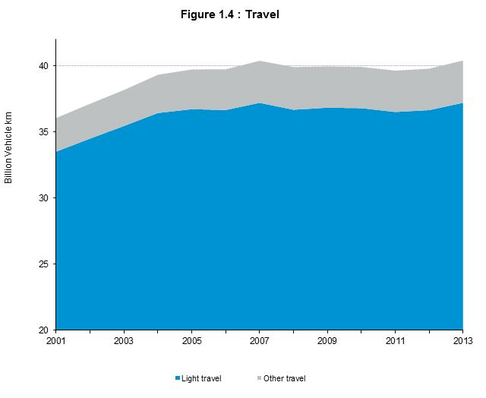
 | Year | Actual Total travel (billions of km) | Increase per yr
 | 2001 | 36.06 | 100.0%
 | 2002 | 37.14 | 103.0%
 | 2003 | 38.18 | 102.8%
 | 2004 | 39.33 | 103.0%
 | 2005 | 39.74 | 101.0%
 | 2006 | 39.75 | 100.0%
 | 2007 | 40.39 | 101.6%
 | 2008 | 39.91 | 98.8%
 | 2009 | 39.96 | 100.1%
 | 2010 | 39.93 | 99.9%
 | 2011 | 39.65 | 99.3%
 | 2012 | 39.79 | 100.4%
 | 2013 | 40.41 | 101.6% | 101.0%
 | then assume 1.12% increase in VKT each year past 2013
 | 2014 | 40.87 | 101.1%
 | 2015 | 41.33 | 101.1%
 | 2016 | 41.79 | 101.1%
 | 2017 | 42.26 | 101.1%
 | 2018 | 42.73 | 101.1%
 | 2019 | 43.21 | 101.1%
 | 2020 | 43.69 | 101.1%
 | 2021 | 44.18 | 101.1%
 | 2022 | 44.68 | 101.1% |  | VFEM Projections from Sarah Wheaton at MoT, May 2015
 | 2023 | 45.18 | 101.1% |  | year | light | heavy | total | % increase
 | 2024 | 45.68 | 101.1% |  | 2001 | 33,217 | 2,448 | 35,665
 | 2025 | 46.19 | 101.1% |  | 2002 | 34,230 | 2,467 | 36,697 | 2.90%
 | 2026 | 46.71 | 101.1% |  | 2003 | 35,471 | 2,529 | 38,000 | 3.60%
 | 2027 | 47.23 | 101.1% |  | 2004 | 36,424 | 2,676 | 39,100 | 2.90%
 | 2028 | 47.76 | 101.1% |  | 2005 | 36,840 | 2,760 | 39,600 | 1.30%
 | 2029 | 48.30 | 101.1% |  | 2006 | 37,035 | 2,778 | 39,813 | 0.50%
 | 2030 | 48.84 | 101.1% |  | 2007 | 37,603 | 2,851 | 40,454 | 1.60%
 |  |  |  |  | 2008 | 37,053 | 2,847 | 39,900 | -1.40%
 |  |  |  |  | 2009 | 37,178 | 2,722 | 39,900 | 0.00%
 |  |  |  |  | 2010 | 37,211 | 2,740 | 39,951 | 0.10%
 |  |  |  |  | 2011 | 36,920 | 2,755 | 39,675 | -0.70%
 |  |  |  |  | 2012 | 37,209 | 2,763 | 39,972 | 0.70%
 |  |  |  |  | 2013 | 37,561 | 2,812 | 40,373 | 1.00%
 |  |  |  |  | 2014 | 37,385 | 2,977 | 40,361 | 0.00%
 |  |  |  |  | 2015 | 37,849 | 3,047 | 40,895 | 1.30%
 |  |  |  |  | 2016 | 38,248 | 3,108 | 41,356 | 1.10%
 |  |  |  |  | 2017 | 38,622 | 3,174 | 41,797 | 1.10%
 |  |  |  |  | 2018 | 38,984 | 3,235 | 42,219 | 1.00%
 |  |  |  |  | 2019 | 39,297 | 3,294 | 42,592 | 0.90%
 |  |  |  |  | 2020 | 39,604 | 3,354 | 42,958 | 0.90%
 |  |  |  |  | 2021 | 40,047 | 3,426 | 43,473 | 1.20%
 |  |  |  |  | 2022 | 40,518 | 3,489 | 44,007 | 1.20%
 |  |  |  |  | 2023 | 41,019 | 3,551 | 44,570 | 1.30%
 |  |  |  |  | 2024 | 41,551 | 3,613 | 45,163 | 1.30%
 |  |  |  |  | 2025 | 42,083 | 3,676 | 45,758 | 1.30%
 |  |  |  |  | 2026 | 42,619 | 3,740 | 46,359 | 1.30%
 |  |  |  |  | 2027 | 43,152 | 3,803 | 46,955 | 1.30%
 |  |  |  |  | 2028 | 43,683 | 3,867 | 47,550 | 1.30%
 |  |  |  |  | 2029 | 44,216 | 3,931 | 48,147 | 1.30%
 |  |  |  |  | 2030 | 44,748 | 3,996 | 48,744 | 1.20% | 1.12%

