Notes
Notes for selection of Country pivot table

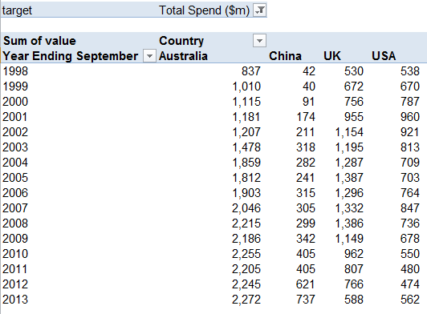
Target: Select variable to be displayed (mean spend, relative margin of error, total spend, and “All” for all three variables).
Year ending... : Select the years you want displayed. “Select All” to displays all years available.
Country: Select the countries you want displayed. Options include:
Australia
China
UK
USA
Germany
Japan
Korea, Republic of
Canada
Rest of Asia
Rest of Europe
Rest of Oceania
Rest of Americas
Africa and Middle East
Select all

Notes for selection of Purpose pivot table

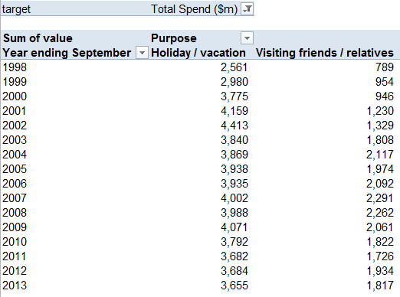
Target: Select variable to be displayed (mean spend, relative margin of error, total spend, and “All” for all three variables).
Year ending... : Select the years you want displayed. “Select All” to displays all years available.
Purpose: Select the purpose of visit you want displayed. Options include:
Holiday / vacation
Visiting friends / relatives
Business
Other

